Start

FastTrack for Azure
The Migration Execution Guide

Developed by a team of FastTrack for Azure Program Managers and Engineers working with the Microsoft SMC team, the Azure Advanced Cloud Engineering team and the Customer Success Unit.

Objectives
• Provide prescriptive guidance for the structure and running of a successful migration project. The guidance include digital estate discovery, defining the migration scope with common business drivers, selection and implementation of migration tooling, project management, risk management and many other related templates.
• Provide consistent, well-considered migration execution guidance to the business, project management and technical teams.
• Reduce the time required on Azure Migrate readiness by taking the complexity out of the different architectures, methodologies and prerequisite work.
• Pre-empt support incidents, service outages and project delays by detailing a clear phase-by-phase migration journey with FastTrack for Azure best practices based on field experience, incident root cause analysis, the highlighting of common risks, and additional risk mitigation through request for change, and other templates with attributes that specifically address common mistakes and oversights during migrations.

Version | Description | Content
0.1 | Initial draft | Azure Migrate|Project Plan|Risk Register|Resource Management|Server Migration
0.2 | Limited pilot | …
0.3 | Various updates | …
0.4 | SQL migration to SQL on VM, MI, AzDB | Workshop Questionnaire | SQL checklist items and Tooling visualization
0.5 | Preview release | …
0.6 | Preview release update | Project plan notes added | Promotion model added to runbook | Miscellaneous updates
0.7 | Preview release update | Discover, Assess and Migrate tooling decision trees | Filter and Sort Workshop Questions by Topic | Miscelaneous updates
0.8 | Preview release update | Weekly status report template

 | Review the available Microsoft programs and funding
Work through the below steps, or navigate directly to a topic of interest.

Step | Item | Description
1 | Review the migration phases to get an understanding of the end-to-end procedure | Migration Lifecycle
2 | Review workshop questions | Sample questions to use during workshops with the business and technical teams in order to populate the migration templates and make migration decisions.
3 | Review the DACI matrix to understand the roles and responsibilities within a typical migration project | Resource Management
4 | Assign resources to roles and responsibilities using the Team worksheet | Resource Management
5 | Familiarize or refresh knowledge using recommended training resources and reference material | Training
6 | Reference the 'Tooling|...' worksheets for a visual summary of the different discovery, assessment and migration strategies. | Tooling
7 | Use the Checklist to ensure that key business, project management and technical recommendations are followed, and common issues are avoided | Best practice, field experience and incident root cause driven guidance.
8 | Consider templates for your project:
 | Project Plan Template | Project Management
 | Digital Estate Discovery Template | The purpose of the digital estate discovery is to present an inventory of applications and services to the business in order to determine the scope and nature of a migration project. Important dates should be captured and mapped to milestones in the project plan.
 | Workload Template | The purpose of the workload resource is to document and map the current technical attributes of the individual components of a workload to the future attributes of the migrated state. The information in this resource is used as input when configuring replication and migration options. It is also an important input to pre-and-post migration tasks that form the migration-day runbook.
 | Wave Template | The purpose of a wave plan is to document the workloads that will be grouped together in a single migration sprint. Dependent services are typically included in the same Migration Wave. In the portal you can select up to 10 VMs at once for migration. To migrate more machines, add them to groups in batches of 10.
 | Runbook Template | The purpose of a migration-day runbook is to provide migration engineers with a proven list of tasks to perform during test and production migration windows. The migration runbook in this guide is an example of what should be created for every machine, in all environments, for each workload.
 | Change Template | The purpose of the request for change template is to provide migration specific details for consideration by the business, service management and migration teams for inclusion in their change management process. It is also an additional checkpoint to help ensure that important migration decisions are made and relevant tasks carried out. It is recommended to seek approval early, clarify expectations and roles of approvers in advance and to establish a Cloud Change Authority.

 | Risk Register Template | The risk register is an important part of every migration project. The purpose of the example in this guide is to detail common risks that need to be evaluated along with any available mitigation, along with plans to migrate services that are subject to these risks.
 | Project Weekly Status Report

Programs and Funding
Microsoft Programs and Funding

NOTE: Microsoft programs and funding are subject to change. Please discuss with your Microsoft representative if you would like to participate in any of the programs.

Program | Description
FastTrack for Azure | FastTrack for Azure is a technical enablement program for organizations with cloud projects that enables the rapid, effective design, and deployment of Azure solutions in the cloud. It includes tailored guidance from Azure engineers that leverages proven practices and architectural guides.
Solution Assessment Program | To ensure you use data driven insights to plan your digital transformation.
Azure Migration and Modernization Program | End-to-end migration assistance with the migration of workloads like, SQL, SAP, AVD and application modernisation.
Azure Migration and Modernization Program | Azure for Partners | Microsoft Partners to assist with your program of work.
Azure Migration and Modernization Program (partner-led) | Partner investments and incentives can help drive the technical and workplace innovations you need to advance your business and your customers’ digital transformation.
Azure Analytics and AI Accelerate Program | The Azure Analytics and AI Accelerate Program (AAAP) is a proven approach to help partners accelerate customer demand and consumption of Analytics & AI Services. The program decreases the time to solution and increases your ability to win!

1. Phases
Migration Framework
This resource includes guidance for all phases of the typical migration approach in the graphic below. The design of a new, or validation of an existing landing zone for migrated workloads is recommended along with a cloud operating model and operations plan to manage migrated workloads. However, neither of these are within the scope of this resource. FastTrack for Azure offer separate resources to assist with these areas.

LANDING ZONE
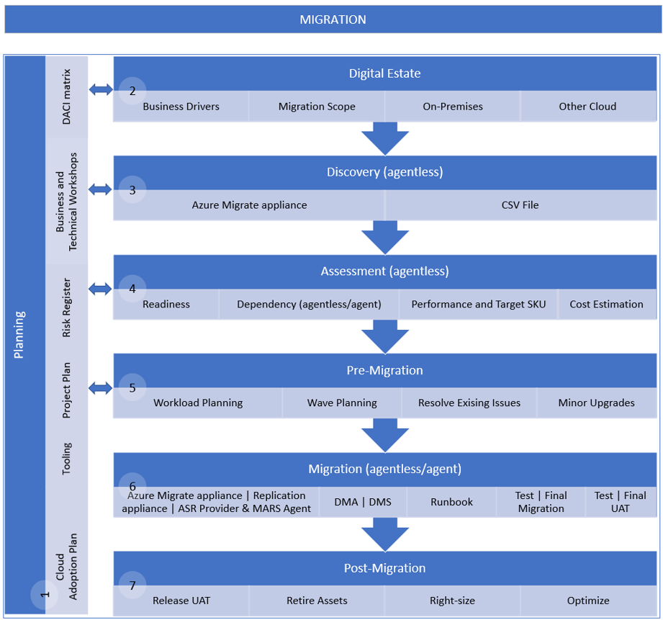
CLOUD OPERATIONS

FTA Landing Zone Design Review
FTA Cloud Roles and Operations Management

2. Questions
Workshop Questions
The questions in this worksheet will help to populate the migration execution guide templates. A workshop (or series of workshops) with all relevant stakeholders is recommended to gather the required information.

Id | Question | Description | Template | Workshop | Facilitator | Attendee Roles | Topic | Response
Q001 | Who is the business and technical owner(s) for each workload? | The business unit, business owner and technical owner that is responsible for each workload. | Digital Estate | Business | Migration Architect | Project Manager, Migration Engineer, Project Sponsor, Workload business owner, Workload Technical Owner | Workload Details
Q002 | For each workload, are they revenue impacting for the business? |  | Digital Estate | Business | Migration Architect | Project Manager, Migration Engineer, Project Sponsor, Workload business owner, Workload Technical Owner | Business Case
Q003 | What are the number of users for each workload? |  | Digital Estate | Business | Migration Architect | Project Manager, Migration Engineer, Project Sponsor, Workload business owner, Workload Technical Owner | Workload Planning
Q004 | What is the cloud rationalization decision for each workload? | Will the app server be migrated, or will the app be re-installed on a new host? | Digital Estate | Business | Migration Architect | Project Manager, Migration Engineer, Project Sponsor, Workload business owner, Workload Technical Owner | Workload Planning
Q005 | Are there any compliance requirements for the workloads? | For example, legislated data retention for xx years. SOC-2, ISO 27001, etc. | Digital Estate | Business | Migration Architect | Project Manager, Migration Engineer, Project Sponsor, Workload business owner, Workload Technical Owner | Workload Planning
Q006 | Where is each workload located? | Data centre and location. | Digital Estate | Business | Migration Architect | Project Manager, Migration Engineer, Project Sponsor, Workload business owner, Workload Technical Owner | Workload Planning
Q007 | Do the workloads have geographic redundancy? |  | Digital Estate | Business | Migration Architect | Project Manager, Migration Engineer, Project Sponsor, Workload business owner, Workload Technical Owner | Workload Planning
Q008 | Are the workloads production or non-production systems? | Document the workload environment. | Digital Estate | Business | Migration Architect | Project Manager, Migration Engineer, Project Sponsor, Workload business owner, Workload Technical Owner | Criticality
Q009 | What is the app type for each workload? | Is it a commercial-off-the-shelf (COTS), or custom app? | Digital Estate | Business | Migration Architect | Project Manager, Migration Engineer, Project Sponsor, Workload business owner, Workload Technical Owner | Workload Planning
Q010 | What is the business criticality that is assigned to each workload? | Mission critical, high, medium, low, etc. | Digital Estate | Business | Migration Architect | Project Manager, Migration Engineer, Project Sponsor, Workload business owner, Workload Technical Owner | Criticality
Q011 | What is the expected workload lifecycle (where known)? Where is the workload currently within this lifecycle? Are there plans to replace or decommission the workload? | Not defined, 5 years, etc. | Digital Estate | Business | Migration Architect | Project Manager, Migration Engineer, Project Sponsor, Workload business owner, Workload Technical Owner | Business Case
Q012 | Are there any compelling business drivers for the migration of the workloads? | Data centre exit, contract expiry, hardware or software end-of-life, security concerns, competitive advantage, etc? | Digital Estate | Business | Migration Architect | Project Manager, Migration Engineer, Project Sponsor, Workload business owner, Workload Technical Owner | Business Case
Q013 | What are the significant milestone dates to meet the business drivers? |  | Digital Estate | Business | Migration Architect | Project Manager, Migration Engineer, Project Sponsor, Workload business owner, Workload Technical Owner | Business Case
Q014 | Are you able to assign a migration priority to the workloads in your digital estate? |  | Digital Estate | Business | Migration Architect | Project Manager, Migration Engineer, Project Sponsor, Workload business owner, Workload Technical Owner | Workload Planning
Q015 | Do you have a migration tooling preference? | Azure Migrate, Azure Site Recovery, Backup and Restore, Movere, etc. | Digital Estate | Business | Migration Architect | Project Manager, Migration Engineer, Project Sponsor, Workload business owner, Workload Technical Owner | Tooling
Q016 | What is the preferred promotion (to production) model for each workload? | What level of testing is required for each workload before traffic is cut over and it is considered to be production? Common models include single-step, staged or flight (combines single-step and staged)? | Digital Estate | Business | Migration Architect | Project Manager, Migration Engineer, Project Sponsor, Workload business owner, Workload Technical Owner | Workload Planning
Q017 | Do you have on-premises, estimated cloud and migration cost details for the workloads? | This information is sometimes documented in the digital estate planning phase to provide business justification and additional criteria for the prioritization of workload migrations. | Digital Estate | Business | Migration Architect | Project Manager, Migration Engineer, Project Sponsor, Workload business owner, Workload Technical Owner | Business Case
Q018 | What is the current SLA for each workload? |  | Digital Estate | Business | Migration Architect | Project Manager, Migration Engineer, Project Sponsor, Workload business owner, Workload Technical Owner | Criticality
Q019 | Will the migration be into an existing landing zone? | Consider using the FTA Landing Zone design/review checklist to validate the target environment. | Digital Estate | Business | Migration Architect | Project Manager, Migration Engineer, Project Sponsor, Workload business owner, Workload Technical Owner | Landing Zone
Q020 | What roles will be involved with this migration project? Will there be a project manager, migration architect, UAT resources, etc? | Refer to the roles and teams templates for suggested roles and responsibilities. | Roles | Business | Migration Architect | Project Manager, Migration Engineer, Project Sponsor, Workload business owner, Workload Technical Owner | Project Management
Q021 | Who is the testing team for the app, are they available, how do you book them? |  | Wave | Business | Migration Architect | Project Manager, Migration Engineer, Project Sponsor, Workload business owner, Workload Technical Owner | User Acceptance Testing
Q022 | What are the support details? Is support for the workloads internal, vendor or both? | Internal and/or external support details for each workload. | Workload | Business | Migration Architect | Project Manager, Migration Engineer, Project Sponsor, Workload business owner, Workload Technical Owner | Support
Q023 | Are there any agreed maintenance windows for the workloads? |  | Workload | Business | Migration Architect | Project Manager, Migration Engineer, Project Sponsor, Workload business owner, Workload Technical Owner | Workload Planning
Q024 | What is the data classification that is associated with the workloads? | Refer to the data sheet for data classification examples. | Workload | Business | Migration Architect | Project Manager, Migration Engineer, Project Sponsor, Workload business owner, Workload Technical Owner | Criticality
Q025 | Is there a requirement for the capability to restore historic backups of the system prior to migration? |  | Workload | Business | Migration Architect | Project Manager, Migration Engineer, Project Sponsor, Workload business owner, Workload Technical Owner | Workload Management
Q026 | What is the current and future plans for patching? |  | Workload | Business | Migration Architect | Project Manager, Migration Engineer, Project Sponsor, Workload business owner, Workload Technical Owner | Workload Management
Q027 | What is the current and future plans for Security Posture Management? |  | Workload | Business | Migration Architect | Project Manager, Migration Engineer, Project Sponsor, Workload business owner, Workload Technical Owner | Workload Management
Q028 | What is the current and future plans for Security Information and Event Management? |  | Workload | Business | Migration Architect | Project Manager, Migration Engineer, Project Sponsor, Workload business owner, Workload Technical Owner | Workload Management
Q029 | What are the operating hours for the workloads by environment and host? | If a VM in the workload is not required 24x7, should shutdown be configured for periods when it is not required? | Workload | Business | Migration Architect | Project Manager, Migration Engineer, Project Sponsor, Workload business owner, Workload Technical Owner | Workload Planning
Q030 | What is the required SLA for the workloads when migrated to the cloud? | Ensure that a suitable availability option and disk type is selected to support the required SLA. | Workload | Business | Migration Architect | Project Manager, Migration Engineer, Project Sponsor, Workload business owner, Workload Technical Owner | Criticality
Q031 | What level of availability is required when the workloads are migrated to the cloud? |  | Workload | Business | Migration Architect | Project Manager, Migration Engineer, Project Sponsor, Workload business owner, Workload Technical Owner | Workload Planning
Q032 | Should hybrid benefits be applied to Windows Server or supported Linux (RHEL/SUSE) machines that are being migrated? Who in the business can be contacted for a decision for servers in each workload? | If you have Windows Server machines that are covered with active Software Assurance, Red Hat or SUSE software subscriptions, and you want to apply the benefit to the machines you're migrating. | Workload | Business | Migration Architect | Project Manager, Migration Engineer, Project Sponsor, Workload business owner, Workload Technical Owner | Cost Optimization
Q033 | Will Azure Reserved Virtual Machine Instances be used to reduce costs? | Also consider Azure Savings Plans https://azure.microsoft.com/en-us/pricing/offers/savings-plan-compute/. | Workload | Business | Migration Architect | Project Manager, Migration Engineer, Project Sponsor, Workload business owner, Workload Technical Owner, Licensing Specialist | Cost Optimization
Q034 | Has a Total Cost of Ownership analysis been completed to estimate cost savings when migrating workloads to Azure? |  | Digital Estate | Business | Migration Architect | Project Manager, Migration Engineer, Workload business owner, Workload Technical Owner | Business Case
Q035 | How many servers are there in each workload? |  | Digital Estate | Technical | Migration Architect | Project Manager, Migration Engineer, Workload business owner, Workload Technical Owner | Workload Planning
Q036 | Known issues/last successful reboot? | Are there any known issues prior to migration? Does the system start up on reboot? | Workload | Technical | Migration Architect | Project Manager, Migration Engineer, Workload business owner, Workload Technical Owner | Workload Planning
Q037 | How do users and related services authenticate to the app? | Check for NTLM, using an IP address to point to a DC directly, unsupported protocols, etc. | Workload | Technical | Migration Architect | Project Manager, Migration Engineer, Workload business owner, Workload Technical Owner | Workload Planning
Q038 | Is any part of the workload considered to be a shared service? | Is the shared service used by other workloads? | Workload | Technical | Migration Architect | Project Manager, Migration Engineer, Workload business owner, Workload Technical Owner | Workload Planning
Q039 | Is the workload load balanced? |  | Workload | Technical | Migration Architect | Project Manager, Migration Engineer, Workload business owner, Workload Technical Owner | Workload Planning
Q040 | What is the client app, how does it connect, where is it hosted and does it use DNS names? | Check for client apps that use an IP address or NETBIOS name. Investigate CNAMES that are used and if they can be changed easily | Workload | Technical | Migration Architect | Project Manager, Migration Engineer, Workload business owner, Workload Technical Owner | Workload Planning
Q041 | For each workload, is external access required, or is the workload internal facing only? |  | Workload | Technical | Migration Architect | Project Manager, Migration Engineer, Workload business owner, Workload Technical Owner | Workload Planning
Q042 | Are SSL certs used, what names, private/public? |  | Workload | Technical | Migration Architect | Project Manager, Migration Engineer, Workload business owner, Workload Technical Owner | Workload Planning
Q043 | What service accounts are used by the system? | Will the service accounts work when the workload is migrated to the cloud? | Workload | Technical | Migration Architect | Project Manager, Migration Engineer, Workload business owner, Workload Technical Owner | Workload Planning
Q044 | What currently provides time synchronization service? | Is there a time server on-premises? | Workload | Technical | Migration Architect | Project Manager, Migration Engineer, Workload business owner, Workload Technical Owner | Workload Planning
Q045 | Are there any print service considerations for the application? |  | Workload | Technical | Migration Architect | Project Manager, Migration Engineer, Workload business owner, Workload Technical Owner | Workload Planning
Q046 | How is the app licensed? | Dongle, MAC address, IP address, etc will need to be planned for. | Workload | Technical | Migration Architect | Project Manager, Migration Engineer, Workload business owner, Workload Technical Owner | Workload Planning
Q047 | Are there any batch jobs or scheduled tasks for the app or on the server? How do they run, what do they run as? |  | Workload | Technical | Migration Architect | Project Manager, Migration Engineer, Workload business owner, Workload Technical Owner | Workload Planning
Q048 | How does DNS work for the workloads both internal and external? What is the target state? |  | Workload | Technical | Migration Architect | Project Manager, Migration Engineer, Workload business owner, Workload Technical Owner | Workload Planning
Q049 | Is an SMTP relay used by the workloads? |  | Workload | Technical | Migration Architect | Project Manager, Migration Engineer, Workload business owner, Workload Technical Owner | Workload Planning
Q050 | What are the file services requirements? |  | Workload | Technical | Migration Architect | Project Manager, Migration Engineer, Workload business owner, Workload Technical Owner | Workload Planning
Q051 | Are there AV exclusions that need to be applied if it moves to a new server? |  | Workload | Technical | Migration Architect | Project Manager, Migration Engineer, Workload business owner, Workload Technical Owner | Workload Planning
Q052 | What is the current backup and restore method? |  | Workload | Technical | Migration Architect | Project Manager, Migration Engineer, Workload business owner, Workload Technical Owner | Workload Planning
Q053 | Does the app use a database, what version, is it shared, what is the target state, who owns and maintains the DB? |  | Workload | Technical | Migration Architect | Project Manager, Migration Engineer, Workload business owner, Workload Technical Owner | Workload Planning
Q054 | What are the database licensing requirements, will new licenses need to be purchased? |  | Workload | Technical | Migration Architect | Project Manager, Migration Engineer, Workload business owner, Workload Technical Owner | Workload Planning
Q055 | How is DB authentication handled? |  | Workload | Technical | Migration Architect | Project Manager, Migration Engineer, Workload business owner, Workload Technical Owner | Workload Planning
Q056 | How can access to the workloads be arranged? |  | Workload | Technical | Migration Architect | Project Manager, Migration Engineer, Workload business owner, Workload Technical Owner | Workload Planning
Q057 | Is there an access management process that need to be followed for the retrieval of existing and storing of new keys and passwords? |  | Workload | Technical | Migration Architect | Project Manager, Migration Engineer, Workload business owner, Workload Technical Owner | Workload Planning
Q058 | How are updates and new releases handled? |  | Workload | Technical | Migration Architect | Project Manager, Migration Engineer, Workload business owner, Workload Technical Owner | Workload Planning
Q059 | What is the support model for the app? |  | Workload | Technical | Migration Architect | Project Manager, Migration Engineer, Workload business owner, Workload Technical Owner | Support
Q060 | What is the current DR/BCP strategy, target state? |  | Workload | Technical | Migration Architect | Project Manager, Migration Engineer, Workload business owner, Workload Technical Owner | Workload Planning
Q061 | Are the workloads subject to change freeze? |  | Workload | Technical | Migration Architect | Project Manager, Migration Engineer, Workload business owner, Workload Technical Owner | Workload Planning
Q062 | Are the workloads subject to change control? |  | Workload | Technical | Migration Architect | Project Manager, Migration Engineer, Workload business owner, Workload Technical Owner | Workload Planning
Q063 | What OS version(s) are the workloads on? |  | Workload | Technical | Migration Architect | Project Manager, Migration Engineer, Workload business owner, Workload Technical Owner | Workload Planning
Q064 | What hardware or virtualization platform(s) are the workloads hosted on? |  | Workload | Technical | Migration Architect | Project Manager, Migration Engineer, Workload business owner, Workload Technical Owner | Workload Planning
Q065 | What roles are there in the workload architecture? Are they multi-tier architectures? | Web, Application, database, etc roles. | Workload | Technical | Migration Architect | Project Manager, Migration Engineer, Workload business owner, Workload Technical Owner | Workload Planning
Q066 | What is the impact of changing an IP address on your workloads? | After migration servers will typically be assigned a different IP address. How is the workload affected by an IP address change? | Workload | Technical | Migration Architect | Project Manager, Migration Engineer, Workload business owner, Workload Technical Owner | Workload Planning

3. Roles
Roles and Responsibilities

Modify DACI as required, then CLICK HERE to assign project resources
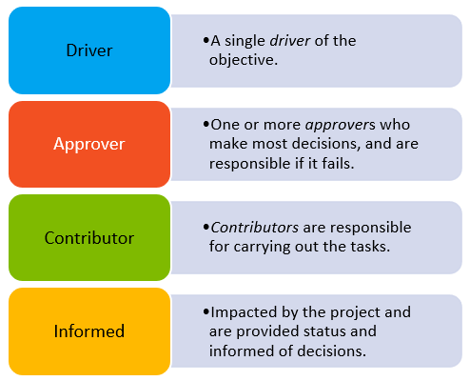
 | Role | Digital Estate Discovery | Migration Scope | Project Plan | Migration Tooling | Workload Discovery | Workload Assessment | Workload Architecture | Wave Planning | Workload Test Migration | Workload Migration UAT | Workload Migration | Workload Release UAT | Organizational Change Management | Transition to Operations | Workload Licensing
 | Migration Architect | D | D | A | D | A | A | D | A | A | A | A | A | I | D | I
 | Migration Engineer | C | I | C | C | D | D | C | D | D | C | D | C | I | C | C
 | Project Manager | I | I | D | I | I | I | I | I | I | D | I | D | I | C | I
 | Project Sponsor | A | A | A | A | I | I | A | I | I | I | A | I | A | A | A
 | User Acceptance Tester | I | I | I | I | I | I | I | I | I | C | I | C | I | C | I
 | Workload Architect | I | I | C | C | C | C | C | C | C | C | C | C | C | C | I
 | Workload Business Owner | I | I | C | I | A | A | A | A | A | A | A | A | C | C | A
 | Organizational Change Manager | I | I | C | I | I | I | I | I | I | C | I | C | D | C | I
 | Licensing Specialist | I | I | C | C | I | C | C | C | I | I | I | I | I | C | D
 | Cloud Operations Manager | C | C | C | I | I | I | I | C | I | I | I | I | C | A | I
 | Landing Zone Architect | I | I | C | C | I | I | C | C | I | I | I | I | I | I | I

4. Team
Resource Assignment

CLICK HERE to review role responsibilities
 | Name | Role | Department | Workload(s) | mobile | email | Location | Time Zone | Availability
 | Michal Rosenstein | Project Sponsor | Exec | All | … | michalrosenstein@contoso.com | New York, US | UTC-5
 | Ebere Ibeabuchi | Project Manager | PMO | All | … | ebereibeabuchi@contoso.com | New York, US | UTC-5
 | Rita Tsakiris | Migration Architect | IT | All | … | ritatsakiris@contoso.com | New York, US | UTC-5
 | Alexandra Voronova | Migration Engineer | IT | All | … | alexandravoronova@contoso.com | NSW, AU | UTC+11
 | Vasily Butusov | Workload Business Owner | Finance | Payroll system | … | vasilybutusov@contoso.com | NSW, AU | UTC+11
 | Piet Smit | User Acceptance Tester | Finance | Payroll system | … | pietsmit@contoso.com | Gauteng, RSA | UTC+2 | OOF 15-23/01/2023
 | Doan Linh | Workload Owner | HR | Intranet | … | doanlinh@contoso.com | London, UK | UTC
 | Abdul-Wahhab Maloof | User Acceptance Tester | HR | Intranet | … | abdul-wahhabmaloof@contoso.com | London, UK | UTC
 | Stefan Milea | Workload Business Owner | Marketing | Advertisement system | … | stefanmilea@contoso.com | London, UK | UTC
 | Gowri Kalluri | User Acceptance Tester | Marketing | Advertisement system | … | gowrikalluri@contoso.com | London, UK | UTC
 | Jadranko Lukic | Workload Business Owner | HR | Recruitment system | … | jadrankolukic@contoso.com | Gauteng, RSA | UTC+2
 | Gabriella Göransson | User Acceptance Tester | HR | Recruitment system | … | gabriellagöransson@contoso.com | Gauteng, RSA | UTC+2
 | Koos Kriel | Organizational Change Manager | IT | All | … | kooskriel@contoso.com | Gauteng, RSA | UTC+2
 | Violet Martinez | Landing Zone Architect | IT | All | … | violetmartinez@contoso.com | NSW, AU | UTC+11
 | Sydney Mattos | Licensing Specialist | Finance | All | … | sydneymattos@contoso.com | NSW, AU | UTC+11
 | Felix Henderson | Cloud Operations Manager | IT | All | … | felixhenderson@contoso.com | NSW, AU | UTC+11

6. Tooling | Migrate appliance
Azure Migrate Appliance

The purpose of this page is to visualize the features of the Azure Migrate Appliance when used to discover, assess or migrate source environments that include VMware, Hyper-V, Physical or other Clouds. Reference information is also provided.

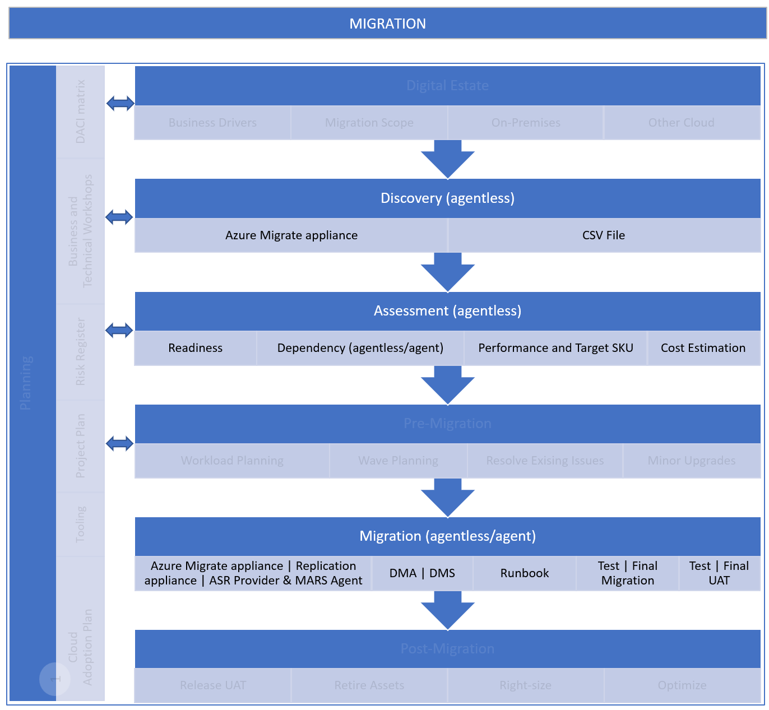

VMware
- Agentless Discovery and assessment of VMware servers
- Agentless migration of VMware servers
Hyper-V
- Agentless Discovery and assessment of Hyper-V servers
- Cannot be used to migrate Hyper-V servers
Physical or other Clouds
- Agentless Discovery and assessment of physical or other cloud VMs
- Cannot be used to migrate physical or other cloud servers

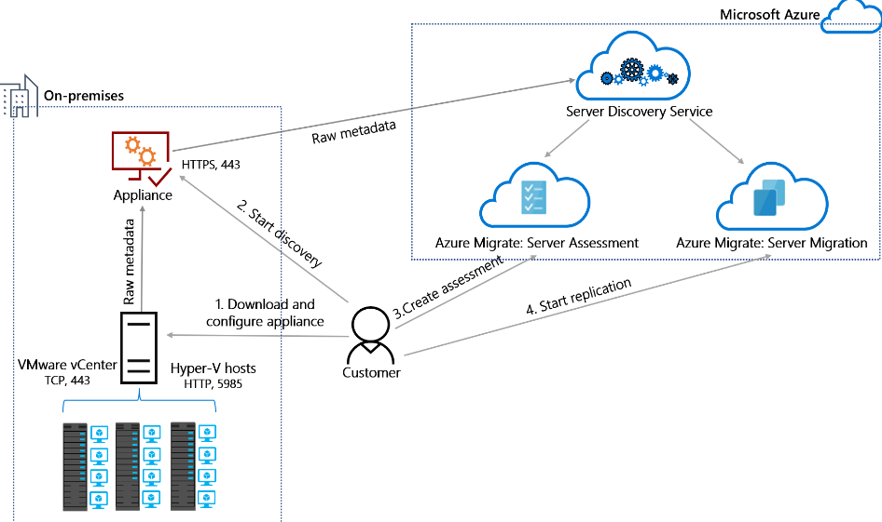

Discover

Assess

Migrate

DISCOVERY |  | ASSESSMENT |  | MIGRATION
Environment | Reference | Environment | Reference | Environment | Reference
VMware | Discover servers running in a VMware environment with Azure Migrate Discovery and assessment | VMware | Assess VMware servers for migration to Azure VMs in Azure Migrate | VMware | Select a VMware migration option with Azure Migrate Server Migration
Hyper-V | Discover servers on Hyper-V with Azure Migrate Discovery and assessment | Hyper-V | Assess Hyper-V VMs for migration to Azure VMs with Azure Migrate | Hyper-V | Migrate Hyper-V VMs to Azure with Azure Migrate Server Migration
Physical | Discover physical servers with Azure Migrate Discovery and assessment | Physical | Assess physical servers for migration to Azure with Azure Migrate | Physical | Migrate machines as physical server to Azure with Azure Migrate
AWS | Discover AWS instances with Azure Migrate Discovery and assessment | AWS | Assess AWS instances for migration to Azure with Azure Migrate | AWS | Discover, assess, and migrate Amazon Web Services (AWS) EC2 VMs to Azure
GCP | Discover servers on GCP instances with Azure Migrate Discovery and assessment | GCP | Assess GCP VM instances for migration to Azure with Azure Migrate | GCP | Discover, assess, and migrate Google Cloud Platform (GCP) VM instances to Azure

6. Tooling | ASR Provider+MARS
 | Azure Site Recovery Provider + Microsoft Azure Recovery Services Agent

The purpose of this page is to visualize the features of the Azure Site Recovery Provider and Microsoft Azure Recovery Services Agent when used to migrate Hyper-V source environments. Reference information is also provided.

VMware
- Not used for migration of VMware servers
Hyper-V
- Agentless migration of Hyper-V servers
*Provider and agent is installed on the host servers
Physical or other Cloud
- Not used for migration of physical or other cloud servers

Migrate
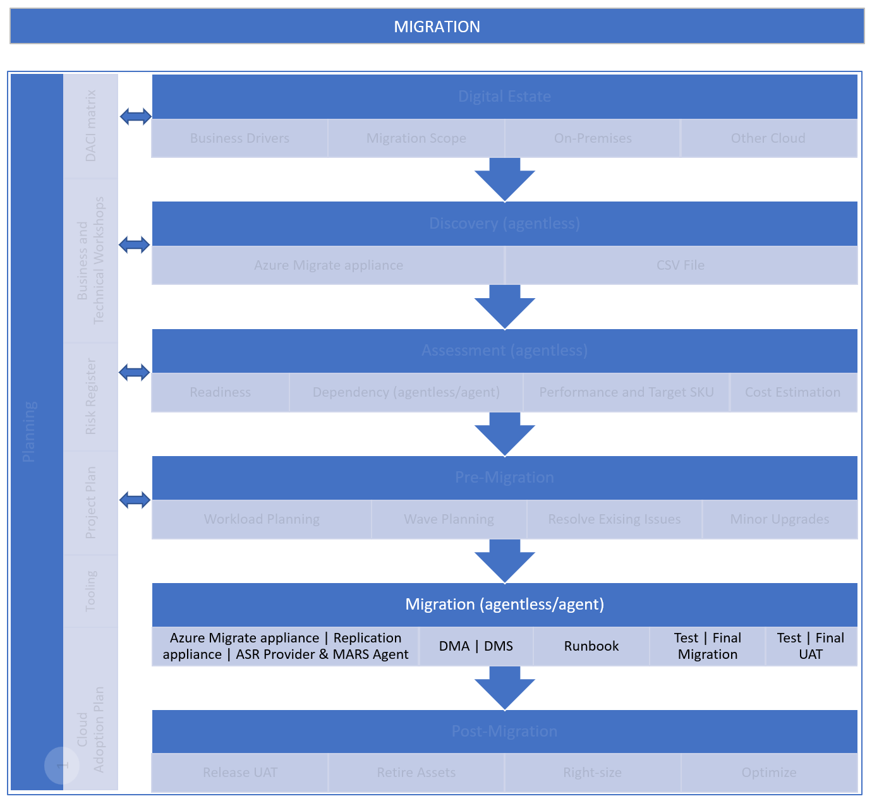 |  | 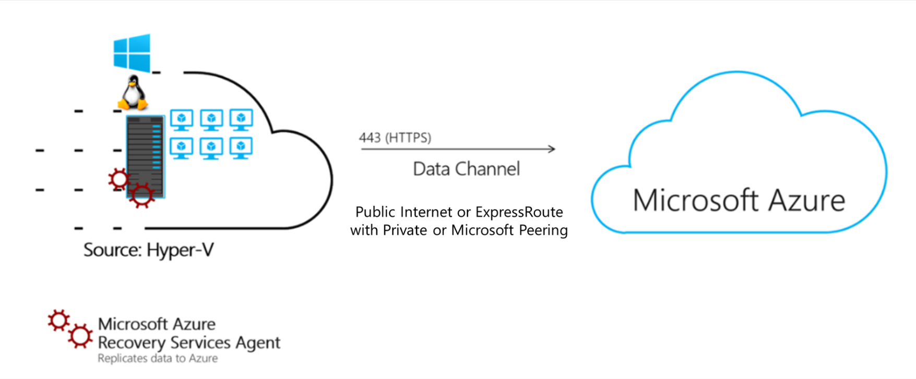

 | DISCOVERY |  | ASSESSMENT |  | MIGRATION
 | Environment | Reference | Environment | Reference | Environment | Reference
 | VMware | Discover servers running in a VMware environment with Azure Migrate Discovery and assessment | VMware | Assess VMware servers for migration to Azure VMs in Azure Migrate | VMware | Select a VMware migration option with Azure Migrate Server Migration
 | Hyper-V | Discover servers on Hyper-V with Azure Migrate Discovery and assessment | Hyper-V | Assess Hyper-V VMs for migration to Azure VMs with Azure Migrate | Hyper-V | Migrate Hyper-V VMs to Azure with Azure Migrate Server Migration
 | Physical | Discover physical servers with Azure Migrate Discovery and assessment | Physical | Assess physical servers for migration to Azure with Azure Migrate | Physical | Migrate machines as physical server to Azure with Azure Migrate
 | AWS | Discover AWS instances with Azure Migrate Discovery and assessment | AWS | Assess AWS instances for migration to Azure with Azure Migrate | AWS | Discover, assess, and migrate Amazon Web Services (AWS) EC2 VMs to Azure
 | GCP | Discover servers on GCP instances with Azure Migrate Discovery and assessment | GCP | Assess GCP VM instances for migration to Azure with Azure Migrate | GCP | Discover, assess, and migrate Google Cloud Platform (GCP) VM instances to Azure

6. Tooling | Repl. appliance
Azure Migrate Replication Appliance

The purpose of this page is to visualize the features of the Azure Migrate Replication Appliance when used to migrate source environments that include VMware, Physical or other Clouds. Reference information is also provided.

VMware
- Agent-based migration of VMware servers
Hyper-V
- Not used for migration of Hyper-V servers
Physical or other Cloud
- Agent-based migration of physical or other cloud servers
Migrate
 |  | 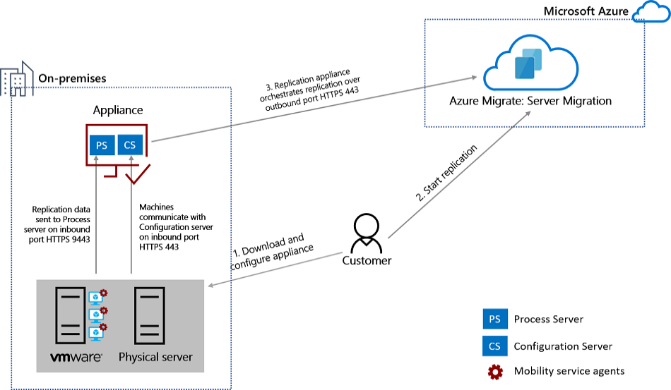

DISCOVERY |  | ASSESSMENT |  | MIGRATION
Environment | Reference | Environment | Reference | Environment | Reference
VMware | Discover servers running in a VMware environment with Azure Migrate Discovery and assessment | VMware | Assess VMware servers for migration to Azure VMs in Azure Migrate | VMware | Select a VMware migration option with Azure Migrate Server Migration
Hyper-V | Discover servers on Hyper-V with Azure Migrate Discovery and assessment | Hyper-V | Assess Hyper-V VMs for migration to Azure VMs with Azure Migrate | Hyper-V | Migrate Hyper-V VMs to Azure with Azure Migrate Server Migration
Physical | Discover physical servers with Azure Migrate Discovery and assessment | Physical | Assess physical servers for migration to Azure with Azure Migrate | Physical | Migrate machines as physical server to Azure with Azure Migrate
AWS | Discover AWS instances with Azure Migrate Discovery and assessment | AWS | Assess AWS instances for migration to Azure with Azure Migrate | AWS | Discover, assess, and migrate Amazon Web Services (AWS) EC2 VMs to Azure
GCP | Discover servers on GCP instances with Azure Migrate Discovery and assessment | GCP | Assess GCP VM instances for migration to Azure with Azure Migrate | GCP | Discover, assess, and migrate Google Cloud Platform (GCP) VM instances to Azure

6. Tooling | SME-ADS-DMS
Azure Migrate + Azure SQL Migration Extension for Azure Data Studio with Database Migration Service (DMS)

The purpose of this page is to visualize the features of Azure Migrate and Azure SQL Migration Extension for Azure Data Studio with Database Migration Service (DMS) when used to migrate SQL Servers. Reference information is also provided.

Migration Targets | 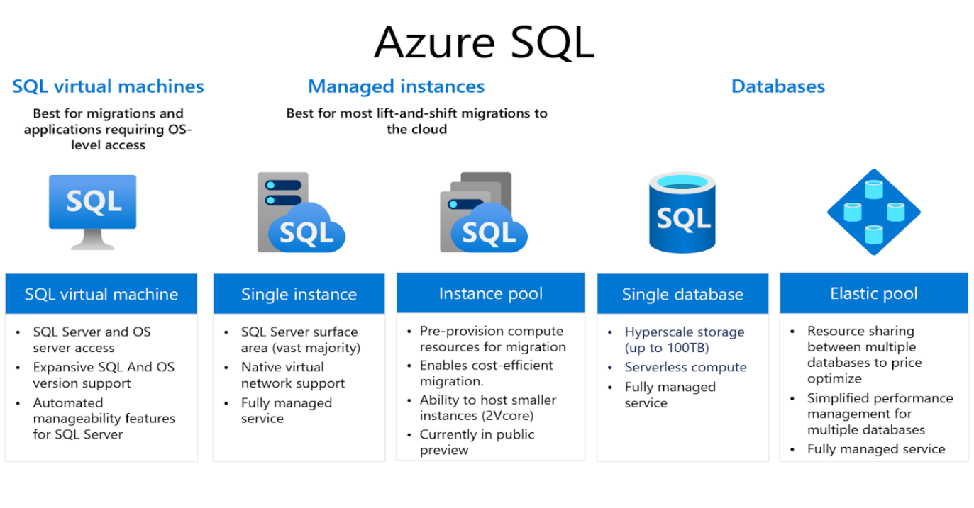

Migrate
Assess
Discover
Azure Migrate to DISCOVER and ASSESS SQL source environments Azure SQL Migration Extension for Azure Data Studio with Database Migration Service (DMS) to MIGRATE databases |  |  | 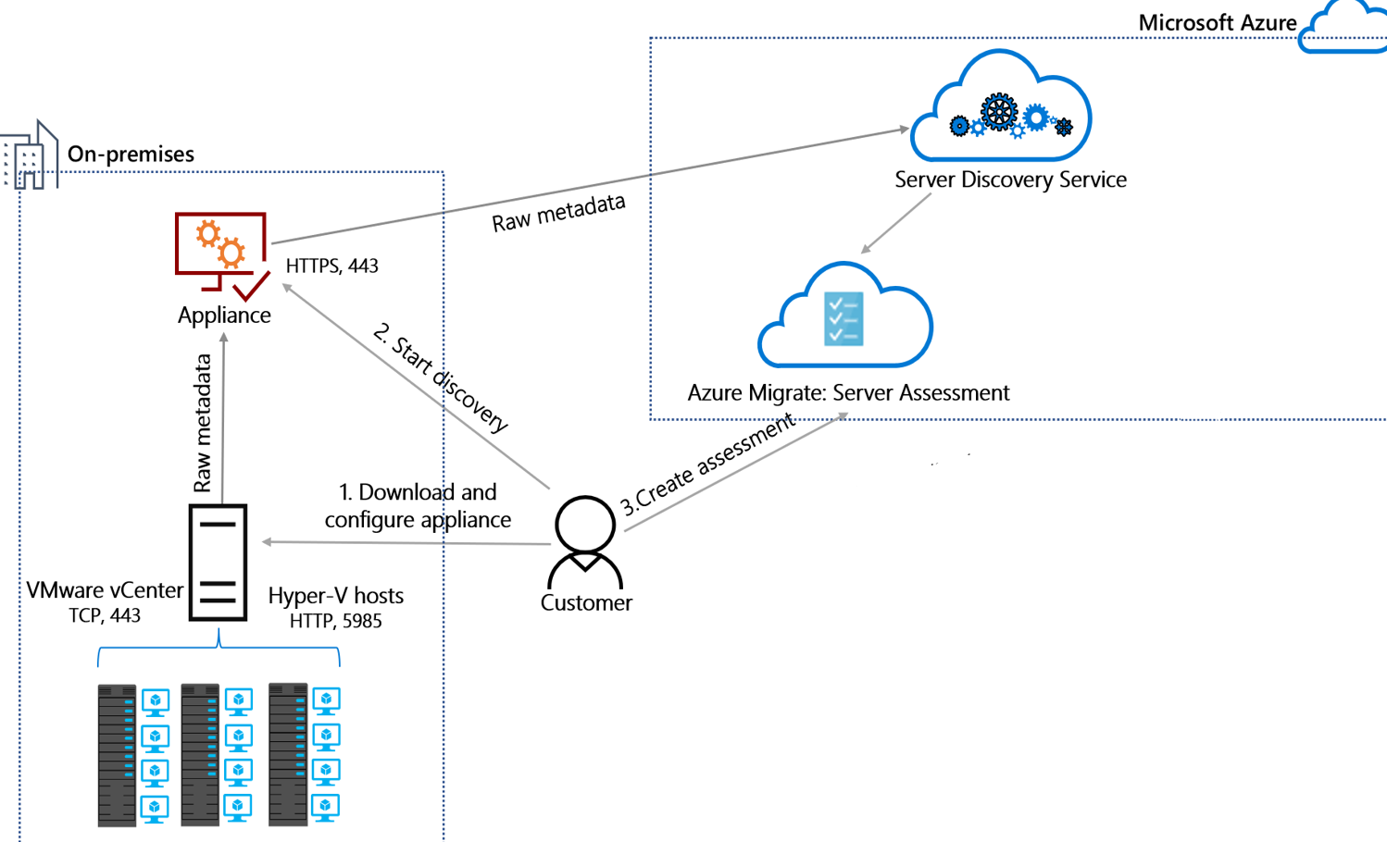 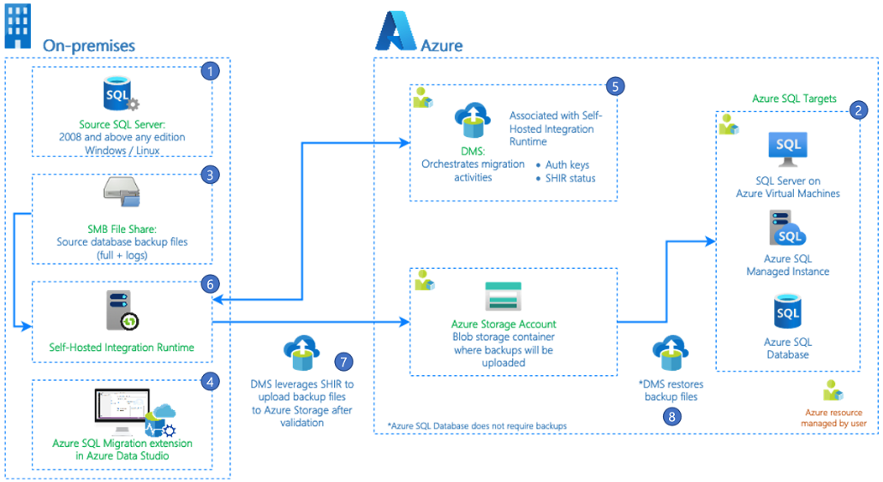

DISCOVERY |  | ASSESSMENT |  | MIGRATION
Environment | Reference | Environment | Reference | Environment | Reference
SQL Server | Discover SQL Server instances in an Azure Migrate project | SQL Server | Create an Azure SQL assessment - Azure Migrate | SQL Server | Migrate databases by using the Azure SQL Migration extension for Azure Data Studio
 |  |  |  | SQL Server | Azure DMS tools matrix - migration phase
 |  |  |  | SQL Server | Migrate SQL Server databases to Azure
 |  |  |  | SQL Server | Rehost an on-premises application by migrating to Azure VMs and Azure SQL Managed Instance
 |  |  |  | SQL Server | Rehost an application by migrating it to Azure VMs and SQL Server Always On availability groups

6. Tooling | Decision trees
Decision Trees

The purpose of this page is to detail tooling decisions.

Discovery and Assessment
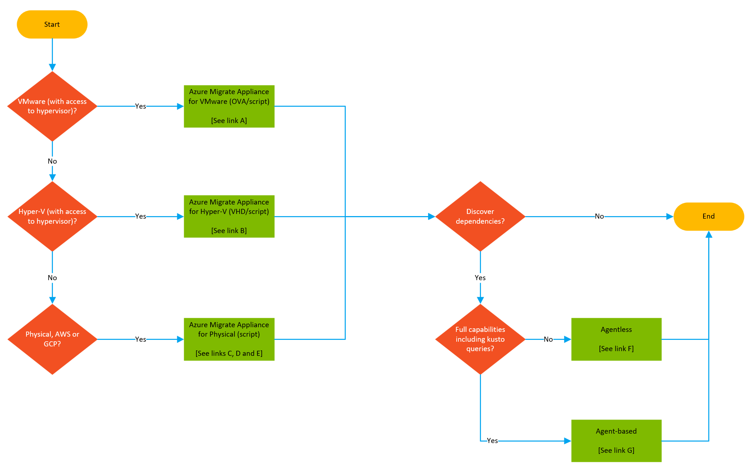
 | Discover | Assess
 | Link A | Link A
 | Link B | Link B
 | Link C | Link C
 | Link D | Link D
 | Link E | Link E
 |  | Link F
 |  | Link G

Migrate

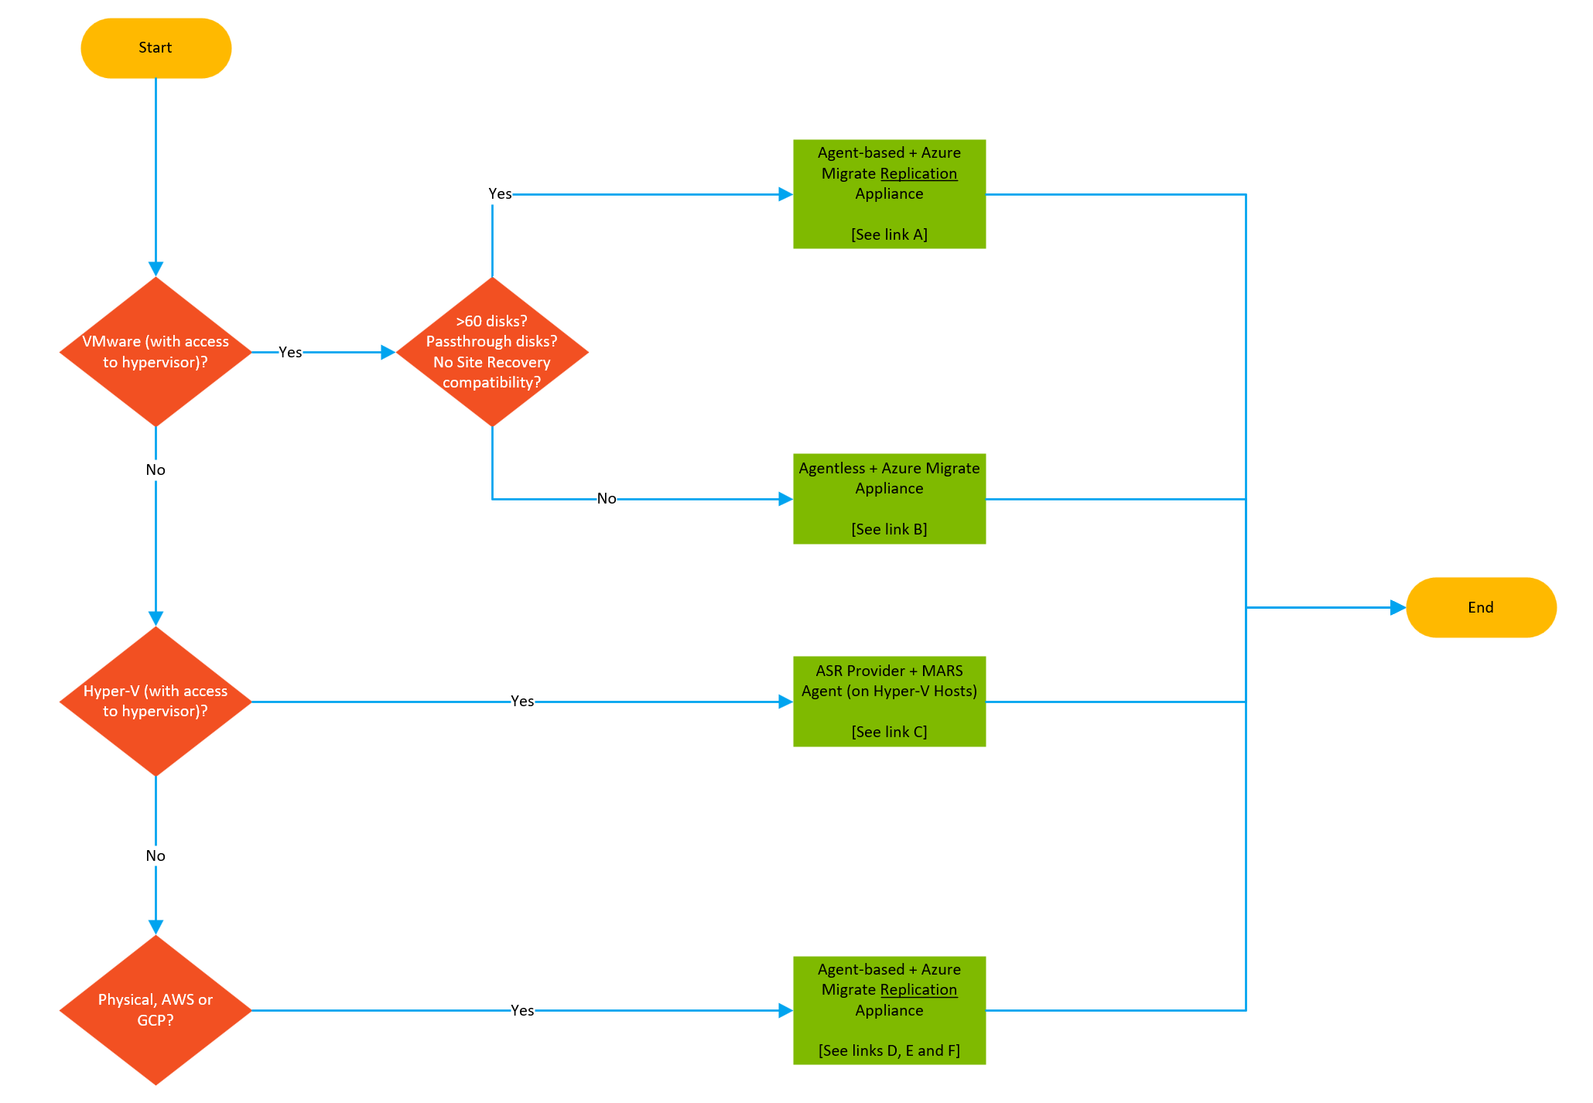
 | Migrate
 | Link A
 | Link B
 | Link C
 | Link D
 | Link E
 | Link F

7. Checklist
Hyper-V
VMware
Physical
AWS
GCP
Agent
Agentless
Agentless
Agent
Agent
Agent
Server Migration
Azure Migrate appliance
Azure Migrate Replication appliance
Azure Migrate Replication appliance
Azure Migrate Replication appliance
Azure Migrate Replication appliance
Microsoft Azure Site Recovery provider and Microsoft Azure Recovery Service agent on Hyper-V Hosts or cluster nodes
Guest VM -->
Appliance / Host -->
TIP Select 'all environments' for generic content along with the specific source environment(s)

FastTrack for Azure
Migration Checklist

! High volume of support cases.

Phase | Topic | Source Environment | Item | Description | Incident Root Cause Alert | Severity | Status | Comment | Url | More information
1. Planning | Tooling | Hyper-V | When installing/configuring the MARS agent on Hyper-V hosts with Server Core the installation will fail if not run from the working directory of the executable (DRConfigurator.exe). |  | 1 | High | Not verified |  | Migrate Hyper-V VMs to Azure with Azure Migrate Server Migration
1. Planning | Tooling | Hyper-V | If the hosts are running Windows Server 2012 R2 and the MARS provider fails to install, try to install the MARS agent manually and then retry the provider. |  | 1 | High | Not verified |  | Migrate Hyper-V VMs to Azure with Azure Migrate Server Migration
1. Planning | Tooling: Azure Migrate | All environments | Be mindful that Azure Policies with a deny effect may cause issues when creating an Azure Migrate project, and/or when migrating VMs. | Consider excluding the affected scope from the policies to resolve the issue. | 1 | High | Not verified
1. Planning | Tooling: Azure Migrate | All environments | Plan target subscriptions for the migration scope and configure access in the TARGET SUBSCRIPTION(S) accordingly. | The lack of permissions to create a VM, write to a managed disk and join to a VNET on TARGET SUBSCRIPTION(s) is a frequent root cause on support cases. | 1 | Medium | Not verified |  | Can I use the same Azure Migrate project to migrate to multiple subscriptions?
1. Planning | Tooling: Azure Migrate | Hyper-V | Be mindful that 'TokenCache Errors' on Hyper-V 2012R2 - often related to ADAL vs MSAL on modern OS'. Surfaces when changing tools or Azure Migrate project. | Reboot Hyper-V to mitigate Token cache errors. May need to unregister/reregister provider with project/recovery services vault. | 1 | High | Not verified |  | Remove servers and disable protection
1. Planning | Tooling: Azure Migrate | VMware Agentless | Confirm that VMware host and guest VM requirements are met for agentless migration. | VMware vCenter Server v5.5, 6.0, 6.5, or 6.7, and VMware vSphere ESXI host v5.5, 6.0, 6.5, 6.7 or 7.0 are supported. Refer to the URL for guest VM support | 1 | High | Not verified |  | Support for VMware migration in Azure Migrate
1. Planning | Tooling: Azure Migrate appliance | All environments | Ensure that DNS name resolution works between the Azure Migrate appliance and Azure, Azure Migrate appliance and the host machines (ESX, Hyper-V) and guest migration source machines. |  | 1 | High | Not verified
1. Planning | Tooling: Azure Migrate appliance | All environments | Confirm that all prerequisites and support requirements for the Azure Migrate appliance are met. | Azure Migrate Discovery and Assessment tool (appliance) is a primary tool to discover (and then assess) migrated estate. | 1 | High | Not verified |  | Azure Migrate appliance
1. Planning | Tooling: Azure Migrate appliance | All environments | Allow internet access on the Azure Migrate appliance and ensure access to required URLs are provisioned. | Irrespective of Private or Public endpoint, certain URLs/FQDNs must be allowed outbound | 1 | High | Not verified |  | Azure Migrate appliance
1. Planning | Tooling: Azure Migrate appliance | Physical or other Cloud | Confirm that Physical and or other cloud server requirements are met. | Azure Migrate Migration tool (based on ASR) is used. | 1 | High | Not verified |  | Support for physical server migration in Azure Migrate
1. Planning | Tooling: Azure Migrate Project | All environments | Ensure an account with appropriate permissions is available to create an Azure Migrate "Project" in the Azure Portal. | Owner or Contributor + User Access Administrator permissions to the subscription is required. Note: Contributor WITHOUT UAA is a frequent root cause on support cases. | 1 | High | Not verified |  | Create and manage projects
1. Planning | Tooling: Azure Migrate Replication appliance | Physical or other Cloud | Review Azure Migrate Replication appliance requirements are met. | The replication appliance is required when you set up agent-based migration of either VMware VMs or physical servers. Replication appliance is a form of the Azure Site Recovery (ASR) tool that can be used for migration purposes. | 1 | High | Not verified |  | Azure Migrate replication appliance
1. Planning | Tooling: Azure Migrate Replication appliance | VMware Agent-based | Confirm that Azure Migrate Replication appliance requirements are met for VMware agent-based migrations. | The replication appliance is required when you set up agent-based migration of either VMware VMs or physical servers. Replication appliance is a form of the Azure Site Recovery (ASR) tool that can be used for migration purposes. | 1 | High | Not verified |  | Azure Migrate replication appliance
1. Planning | Tooling: Discovery | All environments | Ensure that security approvals and admin access is available as required to run the tooling on your existing environment. |  | 1 | High | Not verified |  | Provide server credentials to discover software inventory, dependencies, web apps, and SQL Server instances and databases
1. Planning | Tooling: Network | All environments | If you selected private endpoint as the connectivity method for the Azure Migrate project, grant the Recovery Services vault access to the cache storage account. |  | 1 | High | Not verified |  | Migrate servers to Azure by using Private Link
1. Planning | Tooling: Network | All environments | To replicate using ExpressRoute with private peering, create a private endpoint for the cache storage account. |  | 1 | High | Not verified |  | Migrate servers to Azure by using Private Link
1. Planning | Tooling: Network | All environments | If you selected private endpoint as the connectivity method for the Azure Migrate project, verify DNS name resolution. | Refer to the Azure Migrate project properties in the Azure portal for a list of resources that would need DNS name resolution. | 1 | High | Not verified |  | Troubleshoot network connectivity issues | Azure Private Endpoint DNS configuration
5. Pre-Migration | Wave Planning | All environments | Evaluate network readiness for planned migration activities. | Total storage directly affects bandwidth requirements during initial replication. However, storage drift continues from the point of replication until release. Calculate the bandwidth needed to reach the anticipated migration velocity. | 1 | High | Not verified |  | Evaluate network readiness for planned migration activities | Replication and the migration process
5. Pre-Migration | Workload Planning | All environments | Intra-Subnet Traffic: Be mindful that security rules in a Network Security Group associated to a subnet can affect connectivity between VMs within the subnet. | This is often the root cause in failover cluster instance migrations to SQL Server on Azure VMs. | 1 | High | Not verified |  | Network security group - how it works | Migrate failover cluster instance - SQL Server on Azure VMs
5. Pre-Migration | Workload Planning | All environments | Verify that the desired VM Sku is available in the target region prior to migration. Also confirm that Azure Policy is not blocking the VM Sku, and that the target subscription has sufficient available quota. |  | 1 | High | Not verified
6. Migration | Network | SQL Server | if using SQL Clusters and the migration is to new VMs and Windows Firewall is in use, ensure Windows Firewall rules are open to allow failover clustering to communicate between the VMs. |  | 1 | High | Not verified |  | Configure a load balancer & availability group listener | Failover Cluster communication ports
6. Migration | Network | SQL Server | if using SQL Clusters, ensure Network Security Groups have allow rules for failover cluster communication ports. |  | 1 | High | Not verified |  | Configure a load balancer & availability group listener | Failover Cluster communication ports
6. Migration | Replication | AWS | Consider all network devices (for example, NAT Gateways) between the source VM and the replication appliance, and from there to Azure. Pay particular attention to any limits in connection count, connection timouts on idle, and bandwidth. | Failure to complete replication, due to insufficient bandwidth on NAT gateways for internet bound access, has been a root cause of incidents. | 1 | Medium | Not verified |  | NAT gateways - Amazon Virtual Private Cloud
6. Migration | Replication | GCP | Consider all network devices (for example, NAT Gateways) between the source VM and the replication appliance, and from there to Azure. Pay particular attention to any limits in connection count, connection timouts on idle, and bandwidth. | Failure to complete replication, due to insufficient bandwidth on NAT gateways for internet bound access, has been a root cause of incidents. | 1 | High | Not verified
6. Migration | Replication | Hyper-V | Review common replication bottlenecks through testing and validation. | The replication speed of initial migration has many factors to consider. Usually the appliance is in Hyper-V as a VM and its disks reside in a data store. Possible bottlenecks: 1. Replication bandwidth between appliance and Azure / Storage account. Monitor connection e.g. ExpressRoute. Test speed between appliance and cache storage account using azcopy bench. 2. Monitor appliance performance for CPU/RAM/Network (inbound and outbound) as well as disk IOPS. 3. Replication bandwidth between the Hyper-V host and appliance. 4. Source VM disk IOPS. 5. Combination of the above. Trigger an initial replication to monitor and benchmark all of the above. | 1 | High | Not verified
6. Migration | Replication | Physical or other Cloud | Review common replication bottlenecks through testing and validation. | The replication speed of initial migration in a Migrate Appliance infrastructure, has many factors to consider. Possible bottlenecks: 1. Replication bandwidth between appliance and Azure / storage account. Monitor connection e.g. ExpressRoute. Test speed between appliance and cache storage account using azcopy bench. 2. Monitor appliance performance for CPU/RAM/Network (inbound and outbound) as well as disk IOPS. 3. Replication bandwidth between the physical or other cloud VM and appliance. 4. Source physical or other cloud VM disk IOPS. 5. Combination of the above. Trigger an initial replication to monitor and benchmark all of the above. | 1 | High | Not verified |  | azcopy bench
6. Migration | Replication | VMware | Review common replication bottlenecks through testing and validation. | The replication speed of initial migration in a Migrate Appliance infrastructure, has many factors to consider. Usually the appliance is in vCenter as a VM and its disks reside in a data store. Possible bottlenecks: 1. Replication bandwidth between appliance and Azure / storage account. Monitor connection e.g. ExpressRoute. Test speed between appliance and cache storage account using azcopy bench. 2. Monitor appliance performance for CPU/RAM/Network (inbound and outbound) as well as disk IOPS. 3. Replication bandwidth between the ESXi host and appliance. 4. Source VM disk IOPS. 5. Combination of the above. Trigger an initial replication to monitor and benchmark all of the above. | 1 | High | Not verified |  | azcopy bench
6. Migration | Replication | VMware Agentless | Decide if blackout windows are required to define intervals during which replication is not allowed. | Customers may prefer to schedule replication during non-business hours or off-peak periods. Replication issues during periods when there are resource contention is a frequent root cause for support incidents. | 1 | Low | Not verified |  | Blackout window
7. Post-Migration | Replication | All environments | Factor stop replication duration into change management and cost considerations. | As a best practice, always complete the migration after a VM has migrated successfully to Azure to ensure that extra charges for storage transactions on the intermediate managed disks (seed disks) are not incurred. Be mindful that in some cases, stop replication takes time. It is because whenever replication is stopped, the ongoing replication cycle is completed (only when the VM is in delta sync) before deleting the artifacts. The time taken to stop replication has a high volume of support incidents. | 1 | High | Not verified

8. Example Project Plan
Migration Project Plan
Visualize and track your migration projects using this template. To start, enter the tasks you're working on in the Milestone description section and then enter details for each task. The data will automatically update and it’s easy to insert new tasks or use the scrollbar to scroll through the timeline.
• Use Progress to add how much of the project you finished by adding a percentage number.
• Add the day you started your project in the Project Start Date.
• Finish your calculations by filling in the number of days you need to complete your project in the Total Days to deliver field.

Migration Project Title

TIP Scroll bar
Company name | Contoso |  |  |  |  |  |  | Total Days to deliver: | 114 |  |  |  |  | Legend: | Complete |  |  |  |  | On Track |  |  |  |  | Low Risk |  |  |  |  | Med Risk |  |  |  |  | High Risk |  |  |  |  | Unassigned |  |  |  |  | Step
Migration Architect | Rita Tsakiris |  |  |  |  |  |  | Days Delivered so far: | 22.0
Project Start Date: | 2023-03-04 |  |  |  |  |  |  | Percent project delivered: | 19.3% |  |  |  |  |  | March |  |  |  |  |  |  |  |  |  |  |  |  |  |  |  |  |  |  |  |  |  |  |  |  |  |  |  | April |  |  |  |  |  |  |  |  |  |  |  |  |  |  |  |  |  |  |  |  |  |  |  |  |  |  |  |  |  |  |  |  |  |  | May
Scrolling View Offset (Auto): | 0 |  |  |  |  |  |  |  |  |  |  |  |  |  | 2023-03-04 | 2023-03-05 | 2023-03-06 | 2023-03-07 | 2023-03-08 | 2023-03-09 | 2023-03-10 | 2023-03-11 | 2023-03-12 | 2023-03-13 | 2023-03-14 | 2023-03-15 | 2023-03-16 | 2023-03-17 | 2023-03-18 | 2023-03-19 | 2023-03-20 | 2023-03-21 | 2023-03-22 | 2023-03-23 | 2023-03-24 | 2023-03-25 | 2023-03-26 | 2023-03-27 | 2023-03-28 | 2023-03-29 | 2023-03-30 | 2023-03-31 | 2023-04-01 | 2023-04-02 | 2023-04-03 | 2023-04-04 | 2023-04-05 | 2023-04-06 | 2023-04-07 | 2023-04-08 | 2023-04-09 | 2023-04-10 | 2023-04-11 | 2023-04-12 | 2023-04-13 | 2023-04-14 | 2023-04-15 | 2023-04-16 | 2023-04-17 | 2023-04-18 | 2023-04-19 | 2023-04-20 | 2023-04-21 | 2023-04-22 | 2023-04-23 | 2023-04-24 | 2023-04-25 | 2023-04-26 | 2023-04-27 | 2023-04-28 | 2023-04-29 | 2023-04-30 | 2023-05-01 | 2023-05-02 | 2023-05-03 | 2023-05-04 | 2023-05-05 | 2023-05-06 | 2023-05-07 | 2023-05-08 | 2023-05-09 | 2023-05-10 | 2023-05-11 | 2023-05-12 | 2023-05-13 | 2023-05-14 | 2023-05-15 | 2023-05-16 | 2023-05-17 | 2023-05-18 | 2023-05-19 | 2023-05-20 | 2023-05-21 | 2023-05-22 | 2023-05-23 | 2023-05-24 | 2023-05-25 | 2023-05-26 | 2023-05-27 | 2023-05-28 | 2023-05-29 | 2023-05-30 | 2023-05-31 | 2023-06-01 | 2023-06-02

Milestone description | Category | Id | Assigned to | Days of Work | Days Delayed | Overlap Days | Lag Days | Dependency | Dependency Type | Progress % | Days Complete | Start Date Override | Start Date | End Date | Sat | Sun | Mon | Tue | Wed | Thu | Fri | Sat | Sun | Mon | Tue | Wed | Thu | Fri | Sat | Sun | Mon | Tue | Wed | Thu | Fri | Sat | Sun | Mon | Tue | Wed | Thu | Fri | Sat | Sun | Mon | Tue | Wed | Thu | Fri | Sat | Sun | Mon | Tue | Wed | Thu | Fri | Sat | Sun | Mon | Tue | Wed | Thu | Fri | Sat | Sun | Mon | Tue | Wed | Thu | Fri | Sat | Sun | Mon | Tue | Wed | Thu | Fri | Sat | Sun | Mon | Tue | Wed | Thu | Fri | Sat | Sun | Mon | Tue | Wed | Thu | Fri | Sat | Sun | Mon | Tue | Wed | Thu | Fri | Sat | Sun | Mon | Tue | Wed | Thu | Fri
Project Start | Step | 18 |  |  |  |  |  |  |  | 100% | 0.0 | 2023-03-04 | 2023-03-04 | 2023-03-06
Project Start Step | Goal | 19 |  | 1 |  |  |  | Project Start | Start Date | 100% | 1.0 |  | 2023-03-06 | 2023-03-06 |  |  | 2
PLANNING | Step | 20 |  |  |  |  |  | Project Start Step | End Date | 100% | 0.0 |  | 2023-03-07 | 2023-03-20
Align the migration project with the cloud adoption plan | On Track | 21 | Rita Tsakiris | 1 |  |  |  | PLANNING | Start Date | 100% | 1.0 |  | 2023-03-07 | 2023-03-07
Assign resources to project | Complete | 22 | Ebere Ibeabuchi | 1 | 2 |  |  | Align the migration project with the cloud adoption plan | End Date | 100% | 3.0 |  | 2023-03-08 | 2023-03-10
Create a risk register | Low Risk | 23 | Ebere Ibeabuchi | 3 |  | 2 |  | Assign resources to project | End Date | 100% | 3.0 |  | 2023-03-09 | 2023-03-13
Liaise with service management team to create migration change request forms | Low Risk | 24 | Ebere Ibeabuchi | 1 |  |  | 6 | PLANNING | Start Date | 100% | 1.0 |  | 2023-03-15 | 2023-03-15
Create a project repository with all templates | Low Risk | 25 | Ebere Ibeabuchi | 1 |  |  | 6 | PLANNING | Start Date | 100% | 1.0 |  | 2023-03-15 | 2023-03-15
Conduct a business workhop | Low Risk | 26 | Rita Tsakiris | 2 |  |  |  | Assign resources to project | End Date | 100% | 2.0 |  | 2023-03-13 | 2023-03-14
Conduct a technical workhop | Low Risk | 27 | Rita Tsakiris | 3 |  |  |  | Liaise with service management team to create migration change request forms | End Date | 100% | 3.0 |  | 2023-03-16 | 2023-03-20
DIGITAL ESTATE DISCOVERY | Step | 28 |  |  |  |  |  | PLANNING | End Date | 100% | 0.0 |  | 2023-03-21 | 2023-04-03
Perform a digital estate discovery and populate template | On Track | 29 | Rita Tsakiris | 5 |  |  | 2 | DIGITAL ESTATE DISCOVERY | Start Date | 100% | 5.0 |  | 2023-03-23 | 2023-03-29
Liaise with business to complete digital discovery and migration scope | Milestone | 30 | Rita Tsakiris | 2 |  |  |  | Perform a digital estate discovery and populate template | End Date | 100% | 2.0 |  | 2023-03-30 | 2023-03-31 |  |  |  |  |  |  |  |  |  |  |  |  |  |  |  |  |  |  |  |  |  |  |  |  |  |  | 1 | 1
… | Low Risk | 31 |  | 1 |  |  |  | Liaise with business to complete digital discovery and migration scope | End Date | 100% | 1.0 |  | 2023-04-03 | 2023-04-03
TOOLING | Step | 32 |  |  |  |  |  | DIGITAL ESTATE DISCOVERY | End Date | 14% | 0.0 |  | 2023-04-04 | 2023-04-14
Define migration tooling and get business signoff on approach | On Track | 33 | Rita Tsakiris | 1 |  | 1 |  | TOOLING | Start Date | 100% | 1.0 |  | 2023-04-03 | 2023-04-03
Create Azure Migrate project in Contoso production subscription | Med Risk | 34 | Alexandra Voronova | 2 |  |  | 3 | Define migration tooling and get business signoff on approach | End Date | 0% | 0.0 |  | 2023-04-07 | 2023-04-10
Install Azure Migrate appliance in Apollo data centre | High Risk | 35 | Alexandra Voronova | 2 |  |  |  | Create Azure Migrate project in Contoso production subscription | End Date | 0% | 0.0 |  | 2023-04-11 | 2023-04-12
… | Goal | 36 |  | 2 |  |  |  | Install Azure Migrate appliance in Apollo data centre | End Date | 0% | 0.0 |  | 2023-04-13 | 2023-04-14 |  |  |  |  |  |  |  |  |  |  |  |  |  |  |  |  |  |  |  |  |  |  |  |  |  |  |  |  |  |  |  |  |  |  |  |  |  |  |  |  | 2 | 2
DISCOVERY | Step | 37 |  |  |  |  |  | TOOLING | End Date | 0% | 0.0 |  | 2023-04-17 | 2023-04-21
Confirm discovery support compatibility in a VMware environment for the digital estate | Low Risk | 38 | Alexandra Voronova | 1 |  |  |  | DISCOVERY | Start Date | 0% | 0.0 |  | 2023-04-17 | 2023-04-17
Discover servers in Apollo datacentre using Azure Migrate | Low Risk | 39 | Alexandra Voronova | 1 | 1 |  |  | Confirm discovery support compatibility in a VMware environment for the digital estate | End Date | 0% | 0.0 |  | 2023-04-18 | 2023-04-19
… | Goal | 40 |  | 1 | 1 |  |  | Discover servers in Apollo datacentre using Azure Migrate | End Date | 0% | 0.0 |  | 2023-04-20 | 2023-04-21 |  |  |  |  |  |  |  |  |  |  |  |  |  |  |  |  |  |  |  |  |  |  |  |  |  |  |  |  |  |  |  |  |  |  |  |  |  |  |  |  |  |  |  |  |  |  |  | 2 | 2
ASSESSMENT | Step | 41 |  |  |  |  |  | DISCOVERY | End Date | 0% | 0.0 |  | 2023-04-24 | 2023-05-15
Perform AS-IS assessment using Azure Migrate | Med Risk | 42 | Alexandra Voronova | 15 |  |  |  | ASSESSMENT | Start Date | 0% | 0.0 |  | 2023-04-24 | 2023-05-12
Perform PERFORMANCE-BASED assessment using Azure Migrate | Med Risk | 43 | Alexandra Voronova | 5 |  |  | 10 | ASSESSMENT | Start Date | 0% | 0.0 |  | 2023-05-08 | 2023-05-12
… | Milestone | 44 |  | 1 |  |  |  | Perform PERFORMANCE-BASED assessment using Azure Migrate | End Date | 0% | 0.0 |  | 2023-05-15 | 2023-05-15 |  |  |  |  |  |  |  |  |  |  |  |  |  |  |  |  |  |  |  |  |  |  |  |  |  |  |  |  |  |  |  |  |  |  |  |  |  |  |  |  |  |  |  |  |  |  |  |  |  |  |  |  |  |  |  |  |  |  |  |  |  |  |  |  |  |  |  |  |  |  |  |  | 1
WAVE 01|PRE-MIGRATION | Step | 45 |  |  |  |  |  | ASSESSMENT | End Date | 0% | 0.0 |  | 2023-05-16 | 2023-06-13
Wave 01 Planning | Low Risk | 46 | Rita Tsakiris | 15 |  |  |  | WAVE 01|PRE-MIGRATION | Start Date | 0% | 0.0 |  | 2023-05-16 | 2023-06-05
Evaluate network readiness for planned migration activities. | High Risk | 47 | Alexandra Voronova | 5 |  |  |  | Wave 01 Planning | End Date | 0% | 0.0 |  | 2023-06-06 | 2023-06-12
… | Milestone | 48 |  | 1 |  |  |  | Evaluate network readiness for planned migration activities. | End Date | 0% | 0.0 |  | 2023-06-13 | 2023-06-13
WAVE 01|MIGRATION | Step | 49 |  |  |  |  |  | WAVE 01|PRE-MIGRATION | End Date | 0% | 0.0 |  | 2023-06-14 | 2023-07-07
Perform test migration of selected workloads | Med Risk | 50 | Alexandra Voronova | 15 |  |  |  | WAVE 01|MIGRATION | Start Date | 0% | 0.0 |  | 2023-06-14 | 2023-07-04
Migration of selected workloads | Milestone | 51 | Alexandra Voronova | 1 |  |  |  | Perform test migration of selected workloads | End Date | 0% | 0.0 |  | 2023-07-05 | 2023-07-05
Test migration cleanup | Med Risk | 52 | Alexandra Voronova | 1 |  |  |  | Migration of selected workloads | End Date | 0% | 0.0 |  | 2023-07-06 | 2023-07-06
… |  | 53 |  | 1 |  |  |  | Test migration cleanup | End Date | 0% | 0.0 |  | 2023-07-07 | 2023-07-07
WAVE 01|POST-MIGRATION | Step | 54 |  |  |  |  |  | WAVE 01|MIGRATION | End Date | 0% | 0.0 |  | 2023-07-10 | 2023-08-04
Move app traffic over to the app running on the migrated Azure VM instance. | High Risk | 55 | Alexandra Voronova | 15 |  |  |  | WAVE 01|POST-MIGRATION | Start Date | 0% | 0.0 |  | 2023-07-10 | 2023-07-28
… |  | 56 |  | 5 |  |  |  | Move app traffic over to the app running on the migrated Azure VM instance. | End Date | 0% | 0.0 |  | 2023-07-31 | 2023-08-04
Project Duration Step - DO NOT TOUCH INSERT TASKS/ROWS ABOVE THIS | Step | 57 |  |  |  |  |  | WAVE 01|POST-MIGRATION | End Date | 0% | 0.0 |  | 2023-08-07 | 2023-08-04
To add more data, Insert new rows ABOVE this STEP (PROJECT END) and fill the progress & dates formulas | Goal | 58 |  | 1 |  |  |  | Project Duration Step - DO NOT TOUCH INSERT TASKS/ROWS ABOVE THIS | Start Date | 0% | 0.0 | 2023-08-04 | 2023-08-04 | 2023-08-04

8. Digital Estate
Digital Estate
Discovery
The purpose of the digital estate discovery is to present an inventory of applications and services to the business in order to determine the scope and nature of a migration project.
Important dates should be captured and mapped to milestones in the project plan.

i Significant dates e.g. exit datacentre by <date>
i Common cloud migration and modernization drivers

 |  |  |  |  |  |  |  |  |  |  |  |  |  |  |  |  |  |  |  | Migration Decisions |  |  |  | Financial |  |  | Approvals
Discovery Date | Data Centre | Workload | SLA | Description | Redundancy | Compliance | Revenue Impacting | Users | Business Unit | Business Owner | Technical Owner | Environment | Servers | App Type | Business Criticality | Lifecycle | End-of-life Date | Business Drivers | Milestone Date | Priority | Rationalization | Tooling | Promotion | On-premises Cost | Cloud Cost | Migration Cost | Business Owner | Technical Owner | Migration Architect | Approval Date | Scheduled Start Migration Date
2023-12-01 | Apollo | Lunar Orbit Control | 99.99% | … | Geographic | Data retention (7 years) | Yes | 100 | Rocket Unit | … | … | Production | 5 | Commercial Off-The-Shelf (COTS) | Mission Critical | Not defined | Not defined | Data centre contract expiration. | 2024-03-15 | High | Rehost | Azure Migrate | Single-step | … | … | … | … | … | … | … | 2024-01-01
2023-12-01 | Luna II | Sundial calendar management | 99.95% | … | Local | Backup retention (5 years) | No | 10 | Human Resources | … | … | Production | 2 | Custom | Low | 5 Years | 2026-01-01 | Hardware end-of-life. | 2024-03-15 | High | Rehost | Azure Migrate | Staged | … | … | … | … | … | … | … | 2024-01-01
2023-12-01 | Apollo | Airship navigation system | 99.90% | … | No redundancy | Log retention (2 years) | Yes | 500 | Transport | … | … | Production | 5 | Commercial Off-The-Shelf (COTS) | Mission Critical | Long-term | 2050-01-01 | End-of-support operating systems | 2024-03-15 | High | Rehost | Azure Migrate | Flight | … | … | … | … | … | … | … | 2024-01-01
2023-12-01 | Luna II | Carburettor air and fuel supply | 99.50% | … | Backup and Restore | SOC-2 | Yes | 10 | Transport | … | … | Production | 4 | Custom | High | < 1 Year | 2023-11-01 | End-of-support software | 2024-03-15 | High | Refactor | … | Single-step | … | … | … | … | … | … | … | 2024-01-01
2023-12-01 | Apollo | Complaints management | 95.00% | … | Geographic | ISO 27001 | Yes | 10 | Client Services | … | … | Production | 10 | Commercial Off-The-Shelf (COTS) | Mission Critical | Long-term | 2050-01-01 | Under-provisioned servers | 2024-03-15 | Medium | Rearchitect | … | Staged | … | … | … | … | … | … | … | 2024-01-01
2023-12-01 | Luna II | Lunar Orbit Control | 99.90% | … | Local | None | Yes | 10 | Rocket Unit | … | … | Production | 2 | Custom | Medium | Long-term | 2050-01-01 | Over-provisioned servers | 2024-03-15 | Medium | Rebuild | … | Flight | … | … | … | … | … | … | … | 2024-01-01
2023-12-01 | Apollo | Infobahn | 99.90% | … | No redundancy | None | Yes | 10 | Transport | … | … | Production | 4 | Commercial Off-The-Shelf (COTS) | Mission Critical | Long-term | 2050-01-01 | Cybersecurity threats | 2024-03-15 | High | Rearchitect | … | Single-step | … | … | … | … | … | … | … | 2024-01-01
2023-12-01 | Luna II | Vacuum tube order processing | 99.50% | … | Backup and Restore | None | Yes | 10 | Manufacturing | … | … | Production | 5 | Custom | Low | 1-3 Years | 2026-11-01 | Cash flow challenges, CAPEX to OPEX | 2024-03-15 | Medium | Retire | … | Staged | … | … | … | … | … | … | … | 2024-01-01
2023-12-01 | Apollo | Sundial calendar management | 99.90% | … | Geographic | None | No | 10 | Human Resources | … | … | Development | 2 | Commercial Off-The-Shelf (COTS) | Mission Critical | Long-term | 2050-01-01 | Budget and resource constrains | 2024-03-15 | Medium | Refactor | … | Flight | … | … | … | … | … | … | … | 2024-01-01
2023-12-01 | Luna II | Buggy whip time management | 99.50% | … | Local | None | Yes | 10 | Human Resources | … | … | Production | 5 | Custom | High | 5 Years | 2026-01-01 | Rapidly scale web apps and infrastructure | 2024-03-15 | Low | Rehost | … | Single-step | … | … | … | … | … | … | … | 2024-01-01
2023-12-01 | Apollo | Pulse phone distribution system | 99.90% | … | No redundancy | None | Yes | 10 | Communications | … | … | Production | 4 | Commercial Off-The-Shelf (COTS) | Mission Critical | Long-term | 2050-01-01 | Application innovation | 2024-03-15 | Low | Rehost | Azure Migrate | Staged | … | … | … | … | … | … | … | 2024-01-01
2023-12-01 | Luna II | Dialtone Vibes | 99.50% | … | Backup and Restore | None | Yes | 10 | Communications | … | … | Production | 10 | Custom | Medium | < 1 Year |  | Cost-optimizing applications | 2024-03-15 | High | Rearchitect | … | Flight | … | … | … | … | … | … | … | 2024-01-01
2023-12-01 | Apollo | Fax is life server | 99.90% | … | Geographic | None | Yes | 10 | Communications | … | … | Production | 2 | Commercial Off-The-Shelf (COTS) | Mission Critical | Long-term | 2050-01-01 | Faster time to market | 2024-03-15 | High | Rebuild | … | Single-step | … | … | … | … | … | … | … | 2024-01-01
2023-12-01 | Luna II | Quaternary glaciation scheduling | 99.50% | … | Geographic | None | Yes | 10 | Geo Unit | … | … | Production | 4 | Custom | Low | 5 Years | 2026-01-01 | Enabling hybrid work | 2024-03-15 | High | Refactor | … | Staged | … | … | … | … | … | … | … | 2024-01-01
2023-12-01 | Apollo | ICALPTDAHJ Search Engine | 99.95% | … | Geographic | None | No | 1 | OOTheCEO | … | … | Production | 2 | Custom | High | Not defined | Not defined | Access Microsoft Extended Security Updates for Legacy Workload | 2024-03-15 | High | Rehost | Azure Migrate | Staged | … | … | … | … | … | … |  | 2024-01-01

8. Workload
Workload Template
The purpose of the workload resource is to document and map the current technical attributes of the individual components of a workload to the future attributes of the migrated state.
The information in this resource is used as input when configuring replication and migration options.
It is also an important input to pre-and-post tasks that form the migration-day runbook.

 |  |  |  |  |  |  |  |  |  |  |  |  |  |  |  |  |  |  |  |  |  |  |  |  |  |  |  |  | SOURCE: ON-PREMISES/OTHER CLOUD |  |  |  |  |  |  |  |  |  |  |  |  |  |  |  |  |  |  |  |  |  |  |  |  | TARGET: CLOUD
Analysis Date | Migration Date | Workload | Migration Risk | Risk Mitigation | Environment | Machine | Known Issues | Type | Platform | Firmware | Operating System | Role | Traffic | Shared Service | Authentication | Location | Support | Data Classification | System Access | Password Access | Routine Outage Window(s) | Change Management | Change Freeze | Update and New Release Cycles | App Vendor | Hardware Vendor | Summary of Dependencies | Operating Hours | Capacity: Cores | Capacity: Memory | Capacity: Disk | Load Balancing | Firewall Rules | Antivirus Exclusions | Certificates | Service Accounts | Time Services | App Licensing | Batch Services / Scheduled Tasks | SMTP Relay | Print Services | Client App | Client App DNS | Workload DNS | IP Address Change | File Services | Database | Database Authentication | Disaster Recovery | Backup | CSPM & SIEM | Update Management | Source Environment Technical Architecture | Target Load Balancing | Target Firewall Rules | Target Amtivirus Exclusions | Target Certificates | Target Service Accounts | Target Time Services | Target App Licensing | Target Batch Services or Scheduled Tasks | Target SMTP Relay | Target Print Services | Target Client App | Target Client App DNS | Target Workload DNS | IP Address Change Plan | Target File Services | Target Database | Target Database Authentication | Target Disaster Recovery | Target Backup and backup continuity plan | Target CSPM & SIEM | Target Update Management | Sizing Option | Selected Azure VM Size | Availability Option | Scheduled Auto Shutdown | Hybrid Benefit | Azure Reserved VM Instances | Disk Encryption | Disks Replicated | Target Disk Type | Cloud Technical Architecture
2023-12-01 | 2024-01-01 | Lunar Orbit Control | High | Perform UAT and use a flight promotion model | Production | prd-w-loc-01 | None | VM | VMware | N/A | Windows Server 2016 Standard | Application Node | Internal-Facing | No | NTLM | Apollo Data Centre | Geo Services (Internal) | Non-business | Server Team Service Request | Password Vault | Last Friday of the month 6pm - 7am Saturday | Standard Request for Change process | 1 December to 15 January | Monthly updates to coordinates database. Quarterly OS updates. Annual firmware updates. | … | … | Database cluster: prd-wc-loc-01 LOC Application server: prd-w-loc-02 | 24x7 | … | … | … | F5 | … | None | Private | Domain | Stratum 1 Time Server | Dongle | None | None | None | Yes, LocApp hosted on Citrix farm prd-c01 | AD integrated DNS | AD integrated DNS, between App and Database roles | No impact | Local only | Yes, prd-wc-loc-01 | Windows | None | SCDPM 2022 | None | Microsoft Endpoint Configuration Manager 2207 | <link> | Azure Internal Load Balancer | … |  | Private | Retain | Default (time.windows.com and host time) | Convert to license key | None | None | None | Migrate client app to AVD hosted app | Migrate to Azure DNS | Retain | Not required | Local only | prd-wc-loc-01 is migrated in the same wave | Windows | Azure Site Recovery | Azure Backup, retain SCDPM for historic data restore | Defender for Cloud & Microsoft Sentinel | Azure Update Management | Performance-based | Standard_D64_v4 | Availability Set | No | Yes | … | Encryption-at-rest with platform-managed key | All | Standard SSD | <link>
2023-12-01 | 2024-01-01 | Lunar Orbit Control | High | Perform UAT and use a flight promotion model | Production | prd-w-loc-02 | Services do not start automatically on reboot. | VM | VMware | N/A | Windows Server 2016 Standard | Application Node | Internal-Facing | Yes, this server is also used by the Sundial Calendar Management workload | Oauth | Apollo Data Centre | Central IT (Internal) | Public | Server Team Service Request | Password Vault | Last Friday of the month 6pm - 7am Saturday | Standard Request for Change process | Last week of every month | Monthly updates to coordinates database. Quarterly OS updates. Annual firmware updates. | … | … | Database cluster: prd-wc-loc-01 LOC Application server prd-w-loc-01 | 24x7 | … | … | … | None | … | None | None | Local | Stratum 1 Time Server | Static IP Address | Scheduled Tasks run as Domain account | Yes, on-premises authenticated SMTP relay | Yes, on-premises print server | Yes, LocApp hosted on Citrix farm prd-c01 | AD integrated DNS | AD integrated DNS, between App and Database roles | No impact | Local only | Yes, prd-wc-loc-01 | Windows | None | SCDPM 2023 | None | Microsoft Endpoint Configuration Manager 2208 | <link> | None | … |  | None | Retain | Default (time.windows.com and host time) | Convert to new IP address | Retain | Convert to SendGrid | Migrate to Universal Print | Migrate client app to AVD hosted app | Migrate to Azure DNS | Retain | Not required | Local only | prd-wc-loc-01 is migrated in the same wave | Windows | Azure Site Recovery | Azure Backup, retain SCDPM for historic data restore | Defender for Cloud & Microsoft Sentinel | Azure Update Management | Performance-based | Standard_D64_v4 | Availability Set | No | Yes | … | Encryption-at-rest with customer-managed key | All | Standard SSD | <link>
2023-12-01 | 2024-01-01 | Lunar Orbit Control | High | Not applicable | Test | tst-w-loc-01 | Services startup need to be sequenced. | VM | VMware | N/A | Windows Server 2016 Standard | Application Node | Internet-facing | No | Kerberos | Luna II | Vendor (External) | General | Server Team Service Request | Password Vault | Last Friday of the month 6pm - 7am Saturday | Not applicable | Not applicable | Monthly updates to coordinates database. Quarterly OS updates. Annual firmware updates. | … | … | Database cluster: tst-wc-loc-01 File Server: tst-wfs-01 | 8x5 | … | … | … | Citrix | HTTPS inbound (TCP 443) | None | Public | Localsystem | Stratum 1 Time Server | MAC Address | None | None | None | Yes, LocApp hosted on Citrix farm tst-c01 | No | AD integrated DNS, between App and Database roles | Breaks App | Remote File Server | Yes, tst-wc-loc-01 | SQL | None | SCDPM 2024 | None | Microsoft Endpoint Configuration Manager 2209 | <link> | Azure Application Gateway | HTTPS inbound (TCP 443) |  | Public | Create new domain service accounts | Default (time.windows.com and host time) | Convert to license key | None | None | None | Migrate client app to AVD hosted app | None | Retain | Update line-of-business application to use DNS alias instead of IP address. | Migrate to Azure Storage Account | tst-wc-loc-01 is migrated in the same wave | Windows | Azure Site Recovery | Azure Backup, no requirement for historic restore | Defender for Cloud & Microsoft Sentinel | Azure Update Management | Performance-based | Standard_D64_v4 | Single-node Availability Set | Yes, only 8x5 online required | No | … | Double encryption with platform-managed and customer-managed keys | All | Standard SSD | <link>
2023-12-01 | 2024-01-01 | Lunar Orbit Control | High | Not applicable | UAT | uat-w-loc-01 | Memory leak in application. Server is restarted every 3 weeks. | VM | VMware | N/A | Windows Server 2016 Standard | Application Node | Internal-Facing | No | Kerberos | Luna II | Vendor (External) | Confidential | Server Team Service Request | Password Vault | Last Friday of the month 6pm - 7am Saturday | Not applicable | Not applicable | Monthly updates to coordinates database. Quarterly OS updates. Annual firmware updates. | … | … | Database cluster: uat-wc-loc-01 | 8x5 | … | … | … | None | … | None | None | Domain | Stratum 1 Time Server | License key | None | None | None | Yes, LocApp hosted on Citrix farm uat-c01 | No | AD integrated DNS, between App and Database roles | Breaks App | Local only | Yes, uat-wc-loc-01 | Mixed SQL and Windows | None | SCDPM 2025 | None | Microsoft Endpoint Configuration Manager 2210 | <link> | None | … |  | None | Retain | Default (time.windows.com and host time) | Reuse license key | None | None | None | Migrate client app to AVD hosted app | None | Retain | Update line-of-business application to use DNS alias instead of IP address. | Local only | uat-wc-loc-01 is migrated in the same wave | Windows | Azure Site Recovery | Azure Backup, no requirement for historic restore | Defender for Cloud & Microsoft Sentinel | Azure Update Management | On-premises capacity | Standard_D32_v4 | Single-node Availability Set | Yes, only 8x5 online required | No | … | Encryption-at-rest with platform-managed key | C|D|E|M|O | Premium | <link>
2023-12-01 | 2024-01-01 | Lunar Orbit Control | Medium | Not applicable | Development | dev-w-loc-01 | Current open support case with application vendor to address batch update bug. | VM | VMware | N/A | Windows Server 2016 Standard | Application Node | Internet-facing | No | Kerberos | Luna II | Vendor (External) | Highly Confidential | Server Team Service Request | Password Vault | Last Friday of the month 6pm - 7am Saturday | Not applicable | Not applicable | Monthly updates to coordinates database. Quarterly OS updates. Annual firmware updates. | … | … | Database cluster: dev-wc-loc-01 | 8x5 | … | … | … | Citrix | HTTPS inbound (TCP 443) | None | Public | Domain, Local and Localsystem | Stratum 1 Time Server | License key | None | None | None | Yes, LocApp hosted on Citrix farm dev-c01 | No | AD integrated DNS, between App and Database roles | Breaks App | Local only | Yes, dev-wc-loc-01 | Mixed SQL and Windows | None | SCDPM 2026 | None | Microsoft Endpoint Configuration Manager 2211 | <link> | Azure Front Door | HTTPS inbound (TCP 443) |  | Public | Retain | Default (time.windows.com and host time) | Reuse license key | None | None | None | Migrate client app to AVD hosted app | None | Retain | Not required | Local only | dev-wc-loc-01 is migrated in the same wave | Windows | Azure Site Recovery | Azure Backup, no requirement for historic restore | Defender for Cloud & Microsoft Sentinel | Azure Update Management | On-premises capacity | Standard_D32_v4 | Availability Zone | Yes, only 8x5 online required | Yes | … | Encryption-at-rest with customer-managed key | C|D|E|M|O | Premium | <link>
2023-12-01 | 2024-01-01 | Lunar Orbit Control | Medium | Perform UAT and use a flight promotion model | Production | prd-wcn-loc-01 | None | VM | VMWare | N/A | Windows Server 2016 Standard | Database Cluster Node | Internal-Facing | No | Kerberos | Apollo Data Centre | Vendor (External) | Highly Confidential | Server Team Service Request | Password Vault | Last Friday of the month 6pm - 7am Saturday | Standard Request for Change process | 1 December to 15 January | Monthly updates to coordinates database. Quarterly OS updates. Annual firmware updates. | … | … | Application server: prd-w-loc-01 Application server: prd-w-loc-02 | 24x7 | … | … | … | Always On availability group |  | None | None | Domain | Stratum 1 Time Server | License key | None | None | None | Not applicable | Not applicable | AD integrated DNS, between App and Database roles | Breaks App | Local only | Yes, dev-wc-loc-02 | Mixed SQL and Windows | None | SCDPM 2027 | None | Microsoft Endpoint Configuration Manager 2212 | <link> | Always On availability group | None, traffic is not passing through Azure Firewall | None | None | Retain | Default (time.windows.com and host time) | Reuse license key | None | None | None | Not applicable | Not applicable | Retain | Not required | Local only | Not applicable | Windows | Always On availability group to secondary region | Azure Backup, no requirement for historic restore | Defender for Cloud & Microsoft Sentinel | Azure Update Management | On-premises capacity | Standard_D32_v5 | Availability Zone | No | Yes | … | Encryption-at-rest with customer-managed key | C|D|E|M|O | Standard SSD | <link>
2023-12-01 | 2024-01-01 | Lunar Orbit Control | High | Perform UAT and use a flight promotion model | Production | prd-wcn-loc-02 | None | VM | VMWare | N/A | Windows Server 2016 Standard | Database Cluster Node | Internal-Facing | No | Kerberos | Apollo Data Centre | Vendor (External) | Highly Confidential | Server Team Service Request | Password Vault | Last Friday of the month 6pm - 7am Saturday | Standard Request for Change process | 1 December to 15 January | Monthly updates to coordinates database. Quarterly OS updates. Annual firmware updates. | … | … | Application server: prd-w-loc-01 Application server: prd-w-loc-02 | 24x7 | … | … | … | Always On availability group |  | None | None | Domain | Stratum 1 Time Server | License key | None | None | None | Not applicable | Not applicable | AD integrated DNS, between App and Database roles | Breaks App | Local only | Yes, dev-wc-loc-03 | Mixed SQL and Windows | None | SCDPM 2028 | None | Microsoft Endpoint Configuration Manager 2213 | <link> | Always On availability group | None, traffic is not passing through Azure Firewall |  |  |  |  |  |  |  | None | Not applicable | Not applicable | Retain | Not required | Local only | Not applicable | Windows | Always On availability group to secondary region | Azure Backup, no requirement for historic restore | Defender for Cloud & Microsoft Sentinel | Azure Update Management | On-premises capacity | Standard_D32_v6 | Availability Zone | No | Yes | … | Encryption-at-rest with customer-managed key | C|D|E|M|O | Standard SSD | <link>
2023-12-01 | 2024-01-01 | Lunar Orbit Control | Medium | Not applicable | Test | tst-wcn-loc-01 | None | VM | VMWare | N/A | Windows Server 2016 Standard | Database Cluster Node | Internal-Facing | No | Kerberos | Luna II | Vendor (External) | Highly Confidential | Server Team Service Request | Password Vault | Last Friday of the month 6pm - 7am Saturday | Not applicable | Not applicable | Monthly updates to coordinates database. Quarterly OS updates. Annual firmware updates. | … | … | Application server: tst-w-loc-01 | 8x5 | … | … | … | Windows Failover Cluster |  | None | None | Domain | Stratum 1 Time Server | License key | None | None | None | Not applicable | Not applicable | AD integrated DNS, between App and Database roles | Breaks App | Local only | Yes, dev-wc-loc-04 | Mixed SQL and Windows | None | SCDPM 2029 | None | Microsoft Endpoint Configuration Manager 2214 | <link> | Always On availability group | None, traffic is not passing through Azure Firewall |  |  |  |  |  |  |  | None | Not applicable | Not applicable | Retain | Not required | Local only | Not applicable | Windows | Restore from Azure Backup | Azure Backup, no requirement for historic restore | Defender for Cloud & Microsoft Sentinel | Azure Update Management | On-premises capacity | Standard_D32_v7 | Availability Zone | Yes, only 8x5 online required | Yes | … | Encryption-at-rest with customer-managed key | C|D|E|M|O | Standard SSD | <link>
2023-12-01 | 2024-01-01 | Lunar Orbit Control | Medium | Not applicable | UAT | uat-wcn-loc-01 | None | VM | VMWare | N/A | Windows Server 2016 Standard | Database Cluster Node | Internal-Facing | No | Kerberos | Luna II | Vendor (External) | Highly Confidential | Server Team Service Request | Password Vault | Last Friday of the month 6pm - 7am Saturday | Not applicable | Not applicable | Monthly updates to coordinates database. Quarterly OS updates. Annual firmware updates. | … | … | Application server: uat-w-loc-01 | 8x5 | … | … | … | Windows Failover Cluster |  | None | None | Domain | Stratum 1 Time Server | License key | None | None | None | Not applicable | Not applicable | AD integrated DNS, between App and Database roles | Breaks App | Local only | Yes, dev-wc-loc-05 | Mixed SQL and Windows | None | SCDPM 2030 | None | Microsoft Endpoint Configuration Manager 2215 | <link> | Always On availability group | None, traffic is not passing through Azure Firewall |  |  |  |  |  |  |  | None | Not applicable | Not applicable | Retain | Not required | Local only | Not applicable | Windows | Restore from Azure Backup | Azure Backup, no requirement for historic restore | Defender for Cloud & Microsoft Sentinel | Azure Update Management | On-premises capacity | Standard_D32_v8 | Availability Zone | Yes, only 8x5 online required | Yes | … | Encryption-at-rest with customer-managed key | All | Ultra | <link>
2023-12-01 | 2024-01-01 | Lunar Orbit Control | Low | Not applicable | Development | dev-wcn-loc-01 | None | VM | VMWare | N/A | Windows Server 2016 Standard | Database Cluster Node | Internal-Facing | No | Kerberos | Luna II | Vendor (External) | Highly Confidential | Server Team Service Request | Password Vault | Last Friday of the month 6pm - 7am Saturday | Not applicable | Not applicable | Monthly updates to coordinates database. Quarterly OS updates. Annual firmware updates. | … | … | Application server: dev-w-loc-01 | 8x5 | … | … | … | Windows Failover Cluster |  | None | None | Domain | Stratum 1 Time Server | License key | None | None | None | Not applicable | Not applicable | AD integrated DNS, between App and Database roles | Breaks App | Local only | Yes, dev-wc-loc-06 | Mixed SQL and Windows | None | SCDPM 2031 | None | Microsoft Endpoint Configuration Manager 2216 | <link> | Always On availability group | None, traffic is not passing through Azure Firewall |  |  |  |  |  |  |  | None | Not applicable | Not applicable | Retain | Not required | Local only | Not applicable | Windows | Restore from Azure Backup | Azure Backup, no requirement for historic restore | Defender for Cloud & Microsoft Sentinel | Azure Update Management | On-premises capacity | Standard_D32_v9 | Availability Zone | Yes, only 8x5 online required | Yes | … | Encryption-at-rest with customer-managed key | All | Ultra | <link>
 |  |  | Low
 |  |  | High
 |  |  | High
 |  |  | High
 |  |  | High

8. Wave
The purpose of a wave plan is to document the workloads that will be grouped together in a single migration sprint.
Dependent services are typically included in the same Migration Wave.
In the portal you can select up to 10 VMs at once for migration. To migrate more machines, add them to groups in batches of 10.
Wave Plan Template

i The region for the project cannot be changed after the first replication is initiated. Please select the region carefully.

Definition Date | Migration Start Date | Wave Number | Workload | Machine | Operating System | Migration Engineer | Environment | Source Environment | Migration Methodology | Migration Group | Target Subscription | Target Region | Target Final VNET | Target Final Subnet | Target Final Resource Group | Availability Option | Disk Encryption | Disk Type | Initial Replication Start Date | Initial Replication Status | Delta Replication Start Date | Test VNET | Test Subnet | Test Resource Group | Test Migration Start Date | Test Migration UAT Status | Test Migration UAT Owner | Final Migration Start Date | Final Migration UAT Status | Final Migration UAT Owner | Replication Completed | Digital Estate Planning | Workload Details | Migration Day Runbook
2023-12-01 | 2024-01-01 | 1 | Lunar Orbit Control | dev-w-loc-01 | Windows Server 2016 Standard | Alexandra Voronova | Development | Hyper-V | ASR Provider + MARS agent | 1 | <subscription name> | <region> | <vnet> | <subnet> | <resource group> | Single-node Availability Set | Encryption-at-rest with platform-managed key | Standard SSD | 2024-01-01 | Passed | 2024-01-01 | <vnet> | <subnet> | <resource group> | 2024-01-08 | Passed | Gowri Kalluri | 2024-01-15 | Passed | Gowri Kalluri | No | 8. Digital Estate'!A1 | 8. Workload'!A1 | 8. Runbook'!A1
2023-12-01 | 2024-01-08 | 2 | Lunar Orbit Control | tst-w-loc-01 | Windows Server 2016 Standard | Alexandra Voronova | Test | VMware Agentless | Azure Migrate appliance | 2 | <subscription name> | <region> | <vnet> | <subnet> | <resource group> | Single-node Availability Set | Encryption-at-rest with customer-managed key | Standard SSD | 2024-01-01 | Failed | 2024-01-01 | <vnet> | <subnet> | <resource group> | 2024-01-15 | Failed | Gowri Kalluri | 2024-01-22 | Failed | Gowri Kalluri | No | 8. Digital Estate'!A1 | 8. Workload'!A1 | 8. Runbook'!A1
2023-12-01 | 2024-01-15 | 2 | Lunar Orbit Control | uat-w-loc-01 | Windows Server 2016 Standard | Alexandra Voronova | UAT | VMware Agentless | Azure Migrate appliance (Government) | 2 | <subscription name> | <region> | <vnet> | <subnet> | <resource group> | No infrastructure redundancy | Double encryption with platform-managed and customer-managed keys | Standard SSD | 2024-01-01 | Passed | 2024-01-01 | <vnet> | <subnet> | <resource group> | 2024-01-22 | Passed | Gowri Kalluri | 2024-01-29 | Passed | Gowri Kalluri | No | 8. Digital Estate'!A1 | 8. Workload'!A1 | 8. Runbook'!A1
2023-12-01 | 2024-01-22 | 3 | Lunar Orbit Control | prd-w-loc-01 | Windows Server 2016 Standard | Alexandra Voronova | Production | Physical or other Cloud | Azure Migrate Replication appliance | 3 | <subscription name> | <region> | <vnet> | <subnet> | <resource group> | Availability Zone | Encryption-at-rest with platform-managed key | Premium | 2024-01-01 | Failed | 2024-01-01 | <vnet> | <subnet> | <resource group> | 2024-01-29 | Failed | Gowri Kalluri | 2024-02-05 | Failed | Gowri Kalluri | No | 8. Digital Estate'!A1 | 8. Workload'!A1 | 8. Runbook'!A1
2023-12-01 | 2024-01-22 | 3 | Lunar Orbit Control | prd-w-loc-02 | Windows Server 2016 Standard | Alexandra Voronova | Production | Hyper-V | ASR Provider + MARS agent | 3 | <subscription name> | <region> | <vnet> | <subnet> | <resource group> | Availability Zone | Encryption-at-rest with customer-managed key | Premium | 2024-01-01 | Passed | 2024-01-01 | <vnet> | <subnet> | <resource group> | 2024-02-05 | Passed | Gowri Kalluri | 2024-02-12 | Passed | Gowri Kalluri | No | 8. Digital Estate'!A1 | 8. Workload'!A1 | 8. Runbook'!A1

8. Runbook
Migration-Day Runbook
The purpose of a migration-day runbook is to provide migration engineers with a proven list of tasks to perform during test and production migration windows.
The migration runbook below is an example of what should be created for every machine, in all environments, for each workload.
Audience: Engineers, Project Managers

PRODUCTION MACHINE: WORKLOAD [LUNAR ORBIT CONTROL] SERVER [prd-w-loc-01]
Promotion Plan
Model: | Flight | Promotion model types - Cloud Adoption Framework
Notes: | Treated like production directly after migration. 2 hours of automated testing. 30% of production traffic will be routed to the workload for 2 days in FLIGHT 1. Production UAT within 2 days. 70% of traffic is routed after 2 days and UAT pass.

 |  |  |  |  | Change Window
Task Id | Pre-Migration Tasks | Approved | Owner | Duration (hours) | Start DateTime | End DateTime | Server | Notes
Pre-001 | Provide access to on-premises server (<server>) to the migration team. | … | … | 1 | 9/23/22 | 9/23/22 | …
Pre-002 | Validate <server> health and application functionality prior to any changes. | … | … | 1 | 9/23/22 | 9/23/22 | … | <UAT procedure>
Pre-003 | Raise a change request for <server> and communicate outage as part of change request. | … | … | 1 | 9/23/22 | 9/23/22 | … | <CR>
Pre-004 | Manually configure the SAN policy as Online All for machine as OS is earlier than Windows Server 2008 R2. | … | … | 1 | 9/23/22 | 9/23/22 | … | procedure
Pre-005 | Request firewall ports to be opened in Azure. | … | … | 1 | 9/23/22 | 9/23/22 | … | <Ports>
Pre-006 | Verify VMware server requirements. | … | … | 1 | 9/23/22 | 9/23/22 | … | requirements
Pre-007 | Verify VM requirements for migration. | … | … | 1 | 9/23/22 | 9/23/22 | … | requirements
Pre-008 | Verify Azure settings. On-premises VMs you replicate to Azure must comply with Azure VM requirements. | … | … | 1 | 9/23/22 | 9/23/22 | … | requirements
Pre-009 | Confirm <server> has been discovered in Azure Migrate. | … | … | 1 | 9/23/22 | 9/23/22 | … | discovery
Pre-010 | Review <server> Azure Migrate assessment. | … | … | 1 | 9/23/22 | 9/23/22 | … | review assessment
Pre-011 | Remediate issues identified in the Azure Migrate assessment. | … | … | 1 | 9/23/22 | 9/23/22 | … | <step-by-step details>
Pre-012 | Reboot the server to confirm it boots up without error. |  |  | 0
Pre-013 | Enable replication: Azure Migrate appliance: <> vCenter Server: <> Process Server <replication appliance> Guest Credentials: <VM Admin account> Virtual Machines: <server> Import migration settings from an Azure Migrate assessment: Yes (VM sizing and disk type) Availability options: <Availability Zone|Set|No> Target settings: <subscription><region><resource group> Virtual Network: <VNET/Subnet> Cache storage account: <default> Disk encryption type: <> Azure Hybrid Benefit: <Yes><No> Disks: <disks to be replicated> Tags: <> | … | … | 1 | 9/23/22 | 9/23/22 | … | replicate
Pre-014 | Confirm successful replication status. | … | … | 1 | 9/23/22 | 9/23/22 | … | validate
Pre-015 | Run a test migration. | … | … | 1 | 9/23/22 | 9/23/22 | … | test migration
Pre-016 | Validate <server> health and application functionality. | … | … | 1 | 9/23/22 | 9/23/22 | … | <UAT procedure>
Pre-017 | Clean up test migration. | … | … | 1 | 9/23/22 | 9/23/22 | … | test migration

 |  |  |  |  | Change Window
Task Id | Migration Tasks | Approved | Owner | Duration | Start DateTime | End DateTime | Server | Notes
Mig-001 | Change the TTL on your DNS to be short so changes will replicate quicky post migration. |  |  | 0
Mig-002 | Pause monitoring alerts or notify the relevant teams to ignore alerts during migration. |  |  | 0
Mig-003 | Notify testing teams, managed service providers and business SME's. |  |  | 0
Mig-004 | Migrate <server> Shut down virtual machines and perform a planned migration with no data loss, select Yes > OK. | … | … | 1 | 9/23/22 | 9/23/22 | … | migrate
Mig-005 | Update DNS for the new Azure VM. | … | … | 1 | 9/23/22 | 9/23/22 | …
Mig-006 | Validate VM size, OS, allocated disks, drive letters and network configuration of the new VM in Azure. | … | … | 1 | 9/23/22 | 9/23/22 | …
Mig-007 | Validate Network Security Group (NSG) configuration. | … | … | 1 | 9/23/22 | 9/23/22 | … | <NSG details>
Mig-008 | Verify and troubleshoot any Windows activation issues on the Azure VM. | … | … | 1 | 9/23/22 | 9/23/22 | … | activation
Mig-009 | Update database connection strings on <server>. | … | … | 1 | 9/23/22 | 9/23/22 | … | <db connection details>
Mig-010 | Move on-premises traffic to the migrated Azure VM instance by pointing the DNS record to the new IP address. | … | … | 1 | 9/23/22 | 9/23/22 | … | <DNS details>
Mig-011 | Connect clients to the application hosted by the new Azure VM and validate <server> health and application functionality. | … | … | 1 | 9/23/22 | 9/23/22 | …
Mig-012 | Validate <server> health and application functionality. | … | … | 1 | 9/23/22 | 9/23/22 | … | <UAT procedure>
Mig-013 | Request approval from business owner to decommission the on-premises application on <server>. | … | … | 1 | 9/23/22 | 9/23/22 | … | <decommission approval>
Mig-014 | GO/NOGO decision for <server>. | … | … | 0 |  |  | …
Mig-015 | NOGO: Rollback the changes using the rollback plan and update the migration project governance team. | … | … | 1 | 9/23/22 | 9/23/22 | … | <rollback plan>
Mig-016 | GO: Communicate the change to users and update the migration project governance team. | … | … | 1 | 9/23/22 | 9/23/22 | …
Mig-017 | Stop replication. Validate that <server> has been removed from the replicating servers count in Azure Migrate. | … | … | 1 | 9/23/22 | 9/23/22 | … | stop replication

 |  |  |  |  | Change Window
Task Id | Post-Migration Tasks | Approved | Owner | Duration | Start DateTime | End DateTime | Server | Notes
Post-001 | Disable on-premises monitoring, backup and update management for <server>. | … | … | 1 | 9/23/22 | 9/23/22 | …
Post-002 | Apply AV exclusions to new server. |  |  | 0
Post-003 | Validate new resource tags with business owners. | … | … | 1 | 9/23/22 | 9/23/22 | … | <tags>
Post-004 | Remove the on-premises <server> from the asset management inventory. | … | … | 1 | 9/23/22 | 9/23/22 | …
Post-005 | Update application as-built and architecture documentation to reflect the changes. | … | … | 1 | 9/23/22 | 9/23/22 | …
Post-006 | Manually uninstall the Mobility service from the new Azure VM. | … | … | 1 | 9/23/22 | 9/23/22 | …
Post-007 | Manually uninstall VMware tools from the new Azure VM. | … | … | 1 | 9/23/22 | 9/23/22 | …
Post-008 | Clean up any old hardware devices from the VM that are no longer required or in a failed state. |  |  | 0
Post-009 | Configure Azure Backup for the new Azure VM. | … | … | 1 | 9/23/22 | 9/23/22 | …
Post-010 | Install Azure Monitor Agent and create Service Health alerts for the new Azure VM. | … | … | 1 | 9/23/22 | 9/23/22 | …
Post-011 | Configure the new Azure VM for Azure Site Recovery replication to the secondary region. | … | … | 1 | 9/23/22 | 9/23/22 | …
Post-012 | Ensure the new Azure VM is covered by Defender for Cloud and that endpoint protection has been enabled. | … | … | 1 | 9/23/22 | 9/23/22 | …
Post-013 | Validate connectivity to the new Azure VM using RDP, SSH, Azure Bastion. | … | … | 1 | 9/23/22 | 9/23/22 | …
Post-014 | Ensure the new Azure VM is configured for Update Management. |  |  | 1 | 9/23/22 | 9/23/22 | …
Post-015 | Once validated and finalized request signoff from the respective stake holders and transition to the business-as-usual support team. | … | … | 1 | 9/23/22 | 9/23/22 | …
Post-016 | Notify the CMDB team to update configuration item records and confirm the on-premises <server> for decommission. | … | … | 1 | 9/23/22 | 9/23/22 | …

8. Change
Migration Request for Change
The purpose of the request for change template is to provide migration specific details for consideration by the business, service management and migration teams for inclusion in their change management process.
It is also an additional checkpoint to help ensure that important migration decisions are made and relevant tasks carried out. It is recommended to seek approval early, clarify expectations and roles of approvers in advance and to establish a Cloud Change Authority.

Approve architecture changes before migration

Item | Value | Notes
Requestor Name: | <Requestor Name> | <detail>
Request Date: | <datetime> | <detail>
Urgency: | [Urgent|Expedited|Standard] | <detail>
Project Name: | <Project Name> | <detail>
Description: | <Project Description> | <detail>
Reason for Change: | <Change Reason> | <detail>
Resource Requirements: | <Resources involved with this change> | <detail>
Business Drivers for Change: | <Business Drivers> | <detail>

Requested Change Start Date and Time: | <datetime> | <detail>
Estimated Change End Date and Time: | <datetime> | <detail>
Estimated Duration: | <days|hours> | <detail>
Estimated Risk: | [High|Medium|Low] | <detail>
Business Disruption Anticipated: | [Yes|No] | <detail>
Business Communication Plan: | [Yes|No] | <detail>
Workload Name: | <Workload name> | <detail>
Workload Business Owner: | <Workload owner name and contact information> | <detail>
User Acceptance Test: | [Yes|No] | <detail>
User Acceptance Tester Name: | <UAT Tester Name> | <detail>

Migration Wave Number: | <Wave nn> | <detail>
Migration Wave Plan | [Yes | No] | 8. Wave'!A1
Migration Workload Plan: | [Yes | No] | 8. Workload'!A1
Promotion Model: | [Single-step|Staged|Flight] | Promotion model types
Migration Type: | [Test|Final] | <detail>
Has a Test Migration been done? | [Yes|No] | <detail>
What was the outcome of the Test Migration? | [Successful|Success with remediation|Failed] | <detail>
When was Replication first enabled? | <datetime> | <detail>
What is the estimated end date for Replication? | <datetime> | <detail>
Has the network bandwidth been considered and validated with the network team? | [Yes|No] | <detail>
Will Replication cleanup be done as part of this change? | [Yes|No] | <detail>
Will Hybrid Benefits be used for this migrated machine? | [Yes|No] | Azure Hybrid Benefit for Windows Server
Will Azure Reserved VM Instances be used for this migrated machine? | [Yes|No] | <detail>
Document the Azure Reserved Instance Details | <details> | Understand Azure Reserved VM Instances discount

Has an SR been raised to remove the existing asset from the asset management register? | [Yes|No] | <detail>
Has an SR been raised to remove the existing asset from the CMDB? | [Yes|No] | <detail>
Has an SR been raised to decommission the existing asset monitoring? | [Yes|No] | <detail>
Has an SR been raised to decommission the existing asset backup? | [Yes|No] | <detail>
Has an SR been raised to decommission the existing asset SIEM configuration? | [Yes|No] | <detail>
Has an SR been raised to remove the existing asset from geo-replicated DR? | [Yes|No] | <detail>
Has the existing technical architecture and as-built documentation been updated? | [Yes|No] | <detail>
Has an SR been raised to onboard the new VM to Azure Monitor? | [Yes|No] | <detail>
Has an SR been raised to onboard the new VM to Azure backup? | [Yes|No] | <detail>
Has an SR been raised to onboard the new VM to Microsoft Defender for Cloud? | [Yes|No] | <detail>
Has an SR been raised to onboard the new VM to Microsoft Sentinel? | [Yes|No] | <detail>
Has an SR been raised to onboard the new VM to Azure Site Recovery and start Replication to another region? | [Yes |No] | <detail>
Will scheduled auto shutdown be configured for this service? | [Yes |No] | Applies only where services are not required to be online 24x7.
Will traffic be cut over to the new service? | [Yes|No] | <detail>
Has an end user communication been drafted? | [Yes|No] | <detail>
Has a Test Plan been created? | [Yes|No] | <detail>
Has a Rollback Plan been created? | [Yes|No] | <detail>
Has a Transition to CCoE plan been created? | [Yes|No] | <detail>

Should there be an allowance for Troubleshooting/Remediation time? | [Yes|No] | <detail>
Allowed Remediation Time: | [60 | 90 | 120 | 180 | 240] minutes
Approver: | <Approver Name>
Approved: | [Yes | No]
Approval Date: | <datetime>

8. Risk Register
Risk Register
The risk register is an important part of every migration project. The purpose of this example is to detail common risks that need to be evaluated along with any available mitigation, along with plans to migrate services that are subject to these risks.

i Common risks and issues

Id | Workload | Risk | Status | Date Identified | Category | Date Resolved | Severity | Business Owner | Technical Owner | Support | Business Criticality | Mitigation | Action Plan | Approver | Date Approved | More information
risk-001 | Airship Navigation System | Service not in support matrix of the selected migration tooling. | 2 | 2022-08-16 | Technical | 2022-09-16 | 2 | … | … | Internal | Mission Critical | Airship ticket sales are at an all time low. | Fresh install in the cloud. | … | 2023-01-02 | …
risk-002 | Carburettor Air and Fuel Supply | Service is past end-of-life. | 2 | 2022-08-16 | Technical | 2022-09-16 | 1 | … | … | External <vendor> | Mission Critical | Look into fuel injection technology. | Modernise service in a separate project. | … | 2023-01-02 | …
risk-003 | Complaints Management | Service with no business owner. | 0 | 2022-08-16 | Business | … | 0 | … | … | External <vendor> | High | The system is about to be replaced with the Zero Complaints service framework. | Assign a business owner. | … | 2023-01-02 | …
risk-004 | Lunar Orbit Control | Service with no technical support owner. | 0 | 2022-08-16 | Business | … | 2 | … | … | External <vendor> | High | Go around again. | Assign a technical owner. | … | 2023-01-02 | …
risk-005 | The White Dot Generator | Service with no vendor support. | 1 | 2022-08-16 | Business | 2022-09-16 | 1 | … | … | External <vendor> | High | Keep it on. | Upgrade before migration and engage a Service Provider to provide vendor support. | … | 2023-01-02 | …
risk-006 | Vacuum Tuben | Service with no documentation. | 0 | 2022-08-16 | Business | … | 0 | … | … | External <vendor> | Medium | Transistor-based replacement is a WIP. | Investigate service, including use of Azure Migrate dependency analysis. Document architecture and create a user acceptance test plan. | … | 2023-01-02 | …
risk-007 | Sundial Calendar Management | Service with no UAT procedure. | 2 | 2022-08-16 | Business | 2022-09-16 | 2 | … | … | External <vendor> | Medium | Tempus machina will displace this system. | Modernise | … | 2023-01-02 | …
risk-008 | Buggy Whip Time Management | Service with no pre-production environment. | 0 | 2022-08-16 | Business | … | 1 | … | … | External <vendor> | Low | Recover from backup. | Obtain business approval to migrate without pre-production prerequisite then take application offline and capture a resource consistent snapshot to serve as a rollback plan. | … | 2023-01-02 | …
risk-009 | Pulse Phone Distribution System | No access to data centre where services are hosted, and limited ability to deploy appliances. | 0 | 2022-08-16 | Business | … | 2 | … | … | External <vendor> | Low | Access via service provider can be arranged. | Engage service provider to carry out the appliance and agent installation. | … | 2023-01-02 | …
risk-010 | All | No access to services due to service provider/partner contractual lockout. | 0 | 2022-08-16 | Business | … | 2 | … | … | External <vendor> | Low | Access via service provider can be arranged. | Engage service provider to carry out the appliance and agent installation. | … | 2023-01-02 | …
risk-011 | Dialtone Vibes | Service with software that is not supported on Azure. Refer to https://docs.microsoft.com/en-US/troubleshoot/azure/virtual-machines/server-software-support for more information. | 2 | 2022-08-16 | Technical | … | 0 | … | … | External <vendor> | High | RRAS will be replaced with VPN. | Keep RRAS on-premises until it is fully replaced by the new VPN. Prioritise the VPN project to meet business milestones. | … | 2023-01-02 | …
risk-012 | Astronavigationtrix | OS run by servers do not support agentless dependency analysis. | 1 | 2022-08-16 | Technical | 2022-09-16 | 1 | … | … | External <vendor> | Low | Perform a manual dependency analysis using network packet captures, or install the MMA and dependency agents. | Allow additional time to perform the dependency analysis and then migrate along with dependencies. | … | 2023-01-02 | …
risk-013 | Quaternary Glaciation Scheduling | On-premises servers that are to be migrated to Azure are already configured for Azure Site Recovery, and hence cannot be replicated with the selected migration tooling option i.e. agent-based and Azure Migrate Replication appliance. | 1 | 2022-08-16 | Technical | 2022-09-16 | 2 | … | … | External <vendor> | Low | Agentless migration using the Azure Migrate appliance is compatible with Azure Site Recovery. | Migrate using the agentless migration method with the Azure Migrate appliance. | … | 2023-01-02 | …
risk-014 | All | Project resources are not available due to BAU activities. | 0 | 2022-08-16 | Project | … | 2 | … | … | Internal | High | Extend project timelines with approval. | Employ a partner or ensure that project resources are dedicated to the project and hand-off their BAU responsibilities. | … | 2023-01-02 | …
risk-015 | All | Project delays as a result of Architect review board time to approve Landing zone and/or application architectures. | 0 | 2022-08-16 | Project | … | 2 | … | … | Internal | Medium | Extend project timelines with approval. | Ensure that review time SLA's are set prior to the project plan being finalised and review time is built into project plan | … | 2023-01-02 | …
risk-016 | All | Project delays as a result of a lack of coordination of tasks and steps. | 0 | 2022-08-16 | Project | … | 2 | … | … | Internal | High | Extend project timelines with approval. | Assign a project manager | … | 2023-01-02 | …
risk-017 | All | Project delays due to a lack of buy-in and ownership from Application owners. | 0 | 2022-08-16 | Business | … | 2 | … | … | Internal | High | Extend project timelines with approval. | Clearly documented and communicated Cloud transformation strategy from Executive sponsor | … | 2023-01-02 | …
risk-018 | All | Project delays as a result of a lack of decision making accountability. | 0 | 2022-08-16 | Business | … | 2 | … | … | Internal | High | Extend project timelines with approval. | Establish a steering committee that will be responsible for driving project success | … | 2023-01-02 | …
risk-019 | Quaternary Glaciation Scheduling | Workload needs to be migrated to a different target region from where the Azure Migrate project was created in (and the other in scope workloads need to be migrated to). | 1 | 2022-10-07 | Technical | 2022-10-07 | 0 | … | … | Internal | Mission Critical | … | Create an Azure Migrate project and related infrastructure in the target region. | … | 2023-01-02 | Can I use the same Azure Migrate project to migrate to multiple regions?

